Introduction
Introduction to the Excel Tutorial
The purpose with this Excel tutorial is to illustrate some Excel tips that will dramatically improve your efficiency. No attempt has been made to be as encyclopedic as some of the 800-page Excel books available. The focus here is on common tasks, not every last thing you can do in Excel. Also, this tutorial presumes that you have some Excel knowledge. For example, you should know about rows and columns, values, labels, and formulas, and other basic Excel elements. If you know virtually nothing about Excel, you should probably work through an “Excel for Dummies” book and then work through this tutorial. The style of this tutorial is easy to follow. The List of Topics sheet contains hyperlinks to the various worksheets where you can learn and practice various skills. Each of these worksheets has a hyperlink in cell A2 back to the List of Topics sheet. Have fun improving your Excel skills!
MODULE - 4

Prepared by:
MIRZA M. FERDOUS
TASKIN SAKIB
MD GOLAM RABBANI

List of Topics
The list to the left contains the topics, by category, in this tutorial. There is a hyperlink for each topic to its worksheet in this workbook. (Also, each topic worksheet has a hyperlink back to this sheet.)
The list to the left is in outline form, so you can use the buttons or numbers in the left margin to collapse or expand the categories.
Part I - Administrative Functions
Macro
 | Developer Ribbon
 | Recording a Macro
Form Controls
 | INDEX
 | MATCH
 | Using Form Controls
Business Intelligence
 | Intro to Power BI
 | Power Pivot
 | Power View
 | Power Map

Part II - Interactive Problem Solving
Keyboard Exercises
 | Keyboard Shortcuts
 | Keyboard Exercise 1
 | Keyboard Exercise 2
 | Keyboard Exercise 3
 | Keyboard Exercise 4
 | Keyboard Exercise 5
Excel Exercises
 | Naming Ranges
 | Formatting
 | Basic Editing
 | Formulas
 | Data Tables
 | Charting
Chart Exercises
 | Chart Exercise 1
 | Chart Exercise 2
 | Chart Exercise 3
 | Chart Exercise 4

Developer Ribbon
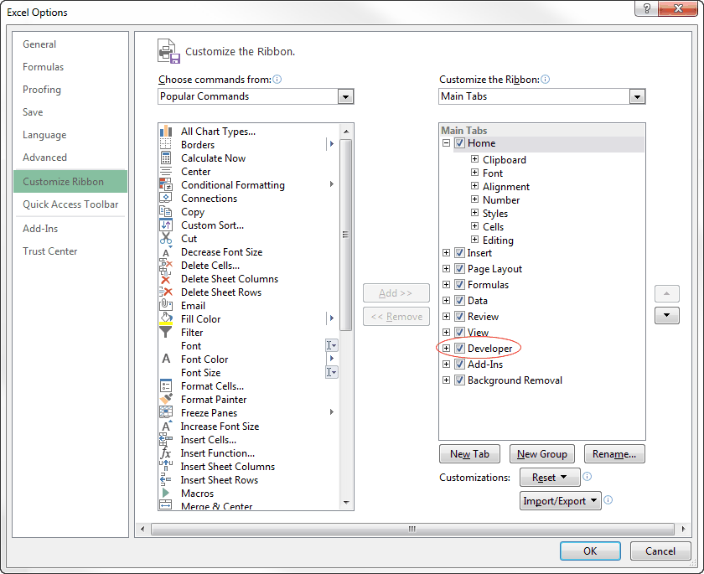
Return to List of Topics sheet

Developer Ribbon
There is one built-in tab in Excel 2007 and later versions, the Developer tab, that is not visible by default. It is primarily for developers, those who create applications for others to use, usually with macros, but it has other uses as well, so it is a good idea to make its tab visible.
To make the Developer tab visible (in Excel 2010 and later versions):
Right-click any ribbon and select Customize the Ribbon to display the dialog box to the right. In the right pane, check the Developer option. If there is no Developer item in the right pane, go to the left pane, select All Tabs from the "Choose commands from" dropdown list, select the Developer tab, and click the Add>> button to move it to the right pane.
One advantage of showing the Developer ribbon is that you can get to the list of add-ins (either "regular" add-ins or COM add-ins) with a click of a button. Without these buttons, the ones circled to the right, it takes four clicks to get to either add-ins list.
 | Developer Ribbon

 | Checking the Developer tab in Customize view (in Excel 2010 and later)

Recording a Macro
Return to List of Topics sheet

Background for Macros and VBA Programming in Excel
If you want even more power in Excel, you can automate just about any task with a macro. Macros are written in the programming language for Excel and the rest of Office, called Visual Basic for Applications (VBA). VBA is a relatively easy programming language to learn, but it does take some study and a lot of practice. (If you are interested, check out the VBA for Modelers book at http://www.kelley.iu.edu/albrightbooks.)
Even if you know nothing about programming, you can still record macros to perform some simple tasks. You can then create buttons to run these macros and place them on you Quick Access Toolbar (QAT) so that they are always available to you. There are several things you should know before you start working with macros:
1. There is a Developer tab and ribbon, shown to the right, that you should make visible. This has various buttons for working with macros. If the Developer tab isn't visible, right-click any ribbon, select Customize the Ribbon, and check the Developer item in the right pane of the resulting dialog box.
2. Starting in Excel 2007, files that contain macros must have the .xlsm extension ("m" for macro). You aren't allowed to save such a file as an .xlsx file.
3. There is a special file, Personal.xlsb. This is called your Personal Macro Workbook. This is where you will probably want to store your recorded macros. This file opens automatically as a hidden file whenever you open Excel. Therefore, all of its macros are always available, regardless of what other Excel files are open.
4. If you want to write your own macros, or if you want to look at recorded macros, you need to go to the Visual Basic Editor. You can do this from the Visual Basic button on the Developer tab, or more easily, with the Alt+F11 keyboard shortcut.
Try it now. Press Alt+F11. This opens a new window. When you are finished looking around, you can close this window. Excel will still be open.
 | Developer ribbon

Recording a Macro
Now let's record a macro and then try it out. This will be a very simple macro that formats the selected cell(s) as integers, that is, as Number with zero decimals.
1. Make the Developer ribbon visible, if necessary. Select any range such as the numbers in the gray range to the right, and click the Record Macro button on the Developer ribbon. This turns the recorder on. It will record everything you do until you turn the recorder off. Note: There is also a handy Record Macro/Stop Recording button at the left side of the Status Bar. See the screenshot above to the right.
2. When you click the Record Macro button, you will see the dialog box to the right. Fill it out as shown and click OK. You can give the macro a meaningful name (no spaces), and you can specify where it should be stored. The choice shown here is the Personal Macro Workbook, which is the same as the Personal.xlsb file mentioned above. This will make the macro available at all times.
3. Now perform the task you want to record. In this case, format the selected range as Number with zero decimals.
4. From the Developer ribbon (or the button on the Status Bar), click the Stop Recording button.
5. If you want to see the recorded mcaro, press Alt+F11 and look at the module(s) under Personal on the left side of the Visual Basic Editor. (Modules are where macros are stored.) Even if you know nothing about programming or VBA, the recorded code probably makes sense. With some experience, you can modify this code to suit your exact needs. For now, though, you can leave it as is.
6. Now you have a nice macro, but you need a button to run it. To create such a button, click the dropdown arrow next to the QAT, and then More Commands to bring up the Customize dialog box shown to the right. Under the "Choose commands from" dropdown, choose Macros. Select your recorded macro from the resulting list, and click the Add>> button to create a button for it on your QAT. The button will have a generic icon, but if you click the Modify button near the bottom, you can choose a more appealing icon.
7. Now that you have a nice button on your QAT, try it out. Select the numeric cells in the red range to the right and click your button. They should be reformatted.
Note that you were instructed to select a range before recording the macro. The reason is that the macro will then apply to whatever range is selected. If you began recording and then selected a range to format, your macro would work only for that specific range.
Try it! Think of a simple task you perform frequently, like coloring the background of a range green, changing the number format to currency with zero decimals, or changing the print settings to your favorite settings. Record a macro to perform any of these tasks, store it in your Personal Macro Workbook, and assign it to a button on your QAT. You will then be a click away from instant productivity!
 | Record Macro button in Status Bar

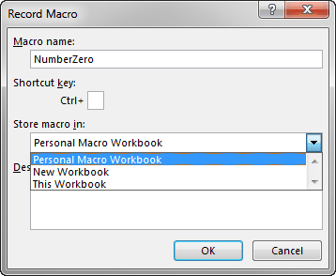
 | Record Macro dialog box | Numbers to be formatted |  |  | Numbers to be formatted
 |  | 2.0001 |  | 2.0001 | Year | Profit | Year | Profit
 |  | 30.9999 |  | 30.9999 | 2008 | -37.6355 | 2008 | -37.64
 |  | -3.0002 |  | -3.0002 | 2009 | 88.37194 | 2009 | 88.37
 |  | 50.0001 |  | 50.0001 | 2010 | 52.71152 | 2010 | 52.71
 |  | 0.9999 |  | 0.9999 | 2011 | -76.8366 | 2011 | -76.84
 |  |  |  |  | 2012 | -14.2181 | 2012 | -14.22
 |  |  |  |  | 2013 | 23.68451 | 2013 | 23.68
 |  |  |  |  | 2014 | -22.9485 | 2014 | -22.95
 |  |  |  |  | 2015 | 0.826025 | 2015 | 0.83
 |  |  |  |  | 2016 | 1.075992 | 2016 | 1.08
 |  |  |  |  | 2017 | 34.30546 | 2017 | 34.31
 |  |  |  |  | 2018 | 27.26879 | 2018 | 27.27

 | Macros list for QAT customization
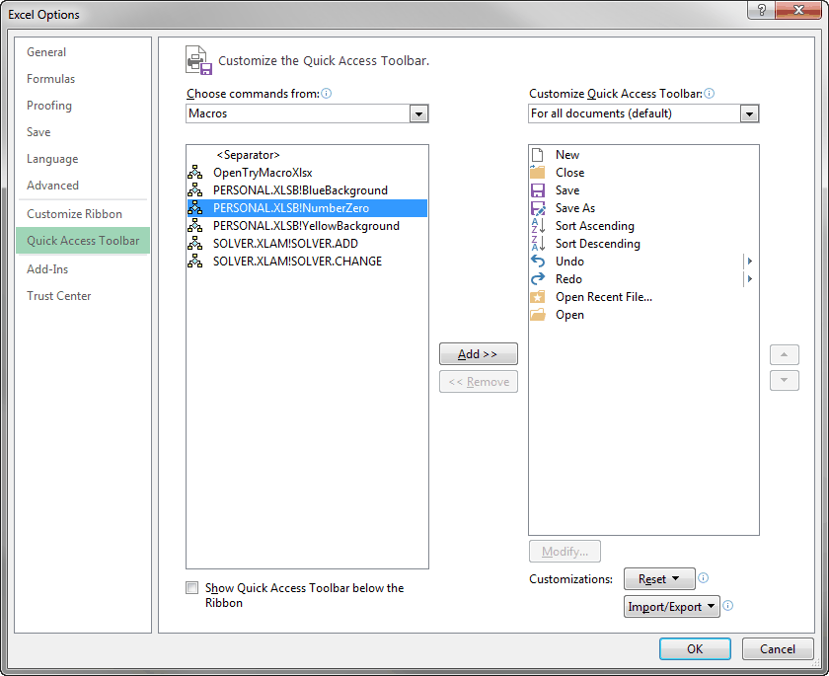

 |  | Year | Profit
 |  | 2008 | -37.64
 |  | 2009 | 88.37
 |  | 2010 | 52.71
 |  | 2011 | -76.84
 |  | 2012 | -14.22
 |  | 2013 | 23.68
 |  | 2014 | -22.95
 |  | 2015 | 0.83
 |  | 2016 | 1.08
 |  | 2017 | 34.31
 |  | 2018 | 27.27

INDEX
Return to List of Topics sheet

INDEX Function (Lookup & Reference Category)
The INDEX function is useful for finding the value in a particular cell of a rectangular range. You access this value by the indexes of the cell you want. Specifically, you specify a row index and a column index. For example, if the range has 10 rows and 20 columns, the indexes 4, 8 indicate the 4th row and 8th column of the range.
To use the INDEX function:
Enter the formula =INDEX(range,row index,column index), where row index is an integer (for row) and column index is an integer (for column).
For example, the formula =INDEX(D11:F20,4,2) refers to the value in cell E14, the cell in the 4th row and 2nd column of the range.
If range is a single-column range, the column index argument can be omitted. In that case, =INDEX(range,row index) returns the value in the specified row index of the range. For example, the formula =INDEX(A11:A20,3) refers to the value in cell A13, the 3rd cell in the range.
Similarly, if range is a single-row range, only column index needs to be included. For example, the formula =INDEX(B10:E10,3) refers to the value in cell D10, the 3rd cell in the range.
Try it! Find the unit shipping cost from Plant2 to City3 with a formula in the top gray cell. Then enter a formula in the bottom gray cell that finds the unit shipping cost from the plant to the city specified in the two cells above it. This formula should respond appropriately to whatever plant and city indexes are entered in these two cells. (Scroll to the right for the answers.)

 | Unit shipping costs | City1 | City2 | City3
 | Plant1 | 1.25 | 1.35 | 1.55
 | Plant2 | 1.15 | 1.45 | 1.25
 | Plant3 | 1.35 | 1.45 | 1.15

 | Unit shipping from Plant2 to City3 |  |  |  | Unit shipping from Plant2 to City3 | 1.25

 | Plant | 1
 | City | 2
 | Unit shipping cost |  |  |  | Unit shipping cost | 1.35

Using Form Controls
Creating a User Interface with Form Controls
When you fill out an online questionnaire, or when you work with almost any Windows program, you continually see "controls" such as radio buttons, check boxes, text boxes, buttons, dropdown lists, and others. You probably don't even think about how these work because you see them so often.
The good news it is that you can add these controls to Excel worksheets, and it is remarkably easy, with no programming required. The first thing you should do is make the Developer ribbon visible. To do so, right-click any ribbon, select Customize the Ribbon, and check the Developer item in the right pane of the resulting dialog box. Once the Developer ribbon is visible, click the Insert dropdown to see the list of controls shown to the right. There are two groups, the "easy" Form Controls and the "advanced" ActiveX Controls. The latter require some programming, so only the Form Controls are discussed here.
To insert any of these controls on a worksheet, click the control and then drag it where you want it. The control comes alive knowing the behavior it ought to have. For example, option buttons (also called radio buttons) know that only one of them can be checked, whereas check boxes know that any number of them can be checked.
An invoice application has already been created to the right, using the following steps.
1. Create the frame at the top by clicking the Group Box form control and dragging it to a desired location. Then change its label to Product purchased.
2. Insert three option buttons inside the frame by clicking the Option Button form control and then dragging them inside the frame. Then change their labels to the product names.
3. Insert a check box (outside of the frame) for preferred customers, and change its label.
4. At this point, the option buttons and the check box aren't yet functional. To make them functional, right-click any one of the option buttons and select Format Control. In the Cell link box under the Control tab shown to the right, select a cell out of view, such as AA1. Then depending on which option button is selected, cell AA1 will contain 1, 2, or 3. Fortunately, you need to do this for only one of the radio buttons. The others will automatically have the same cell link. Similarly, create a cell link for the check box to a cell such as AA2. Depending on whether the checkbox is checked, cell AA2 will contain TRUE or FALSE.
5. Create formulas in the gray cells. You can check that the first three of these use the INDEX function and references to the cell links that act as lookups.
Try it! Create your own version of this application, using the steps above.
Return to List of Topics sheet |  |  |  |  |  |  |  |  |  |  |  |  |  |  |  | 3
 |  |  |  |  |  |  |  |  |  |  |  |  |  |  |  | TRUE
 | Form Controls on Developer ribbon |  |  | Invoice application
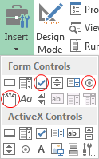
 |  |  |  |  |  | Inputs
 |  |  |  |  |  | Prices
 |  |  |  |  |  | TV | $2,500
 |  |  |  |  |  | Mobile Phone | $450
 |  |  |  |  |  | Laptop | $650

 |  |  |  |  |  | Preferred discount | 5%

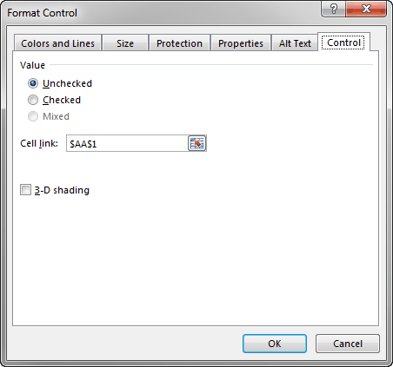
 |  |  |  | Invoice
 | Format Control dialog box |  |  | Product | Laptop
 |  |  |  | Price | $650
 |  |  |  | Discount | $33
 |  |  |  | Net price | $618

 |  |  |  |  |  | Location 1 | Location 2 | Location 3 | Location 4 | Location 5 | Location 6 | Location 7 | Location 8 | Location 9 | Location 10 | Location 11 | Location 12 | Location 13 | Location 14 | Location 15 | Location 16 | Location 17 | Location 18 | Location 19 | Location 20 | Location 21 | Location 22 | Location 23 | Location 24 | Location 25 | Location 26 | Location 27 | Location 28 | Location 29 | Location 30 | Location 31 | Location 32 | Location 33 | Location 34 | Location 35 | Location 36 | Location 37 | Location 38 | Location 39 | Location 40 | Location 41 | Location 42 | Location 43 | Location 44 | Location 45 | Location 46 | Location 47 | Location 48 | Location 49 | Location 50 | Location 51 | Location 52 | Location 53 | Location 54 | Location 55 | Location 56 | Location 57 | Location 58 | Location 59 | Location 60 | Location 61 | Location 62 | Location 63 | Location 64 | Location 65 | Location 66 | Location 67 | Location 68 | Location 69 | Location 70 | Location 71 | Location 72 | Location 73 | Location 74 | Location 75
 |  |  |  |  | Location 1 | 0 | 55 | 13 | 50 | 16 | 49 | 85 | 57 | 71 | 60 | 81 | 17 | 85 | 61 | 83 | 88 | 18 | 98 | 95 | 92 | 18 | 13 | 60 | 37 | 42 | 59 | 59 | 40 | 14 | 56 | 20 | 98 | 88 | 36 | 32 | 94 | 76 | 44 | 34 | 79 | 13 | 34 | 27 | 53 | 53 | 99 | 21 | 21 | 78 | 83 | 20 | 49 | 75 | 76 | 54 | 66 | 17 | 58 | 12 | 42 | 36 | 62 | 89 | 58 | 32 | 62 | 78 | 24 | 67 | 10 | 94 | 31 | 90 | 35 | 70
 |  |  |  |  | Location 2 | 39 | 0 | 38 | 40 | 21 | 32 | 62 | 79 | 88 | 68 | 53 | 10 | 49 | 18 | 25 | 74 | 31 | 58 | 68 | 42 | 56 | 55 | 40 | 40 | 27 | 71 | 11 | 80 | 17 | 58 | 36 | 83 | 94 | 91 | 98 | 100 | 34 | 48 | 71 | 100 | 58 | 92 | 59 | 70 | 13 | 15 | 36 | 68 | 94 | 42 | 84 | 70 | 86 | 88 | 77 | 22 | 77 | 98 | 11 | 17 | 11 | 25 | 49 | 84 | 68 | 59 | 36 | 86 | 49 | 34 | 67 | 72 | 32 | 30 | 92
 |  |  |  |  | Location 3 | 57 | 49 | 0 | 80 | 62 | 40 | 51 | 93 | 97 | 42 | 25 | 67 | 46 | 16 | 11 | 61 | 32 | 79 | 92 | 12 | 34 | 88 | 12 | 93 | 38 | 36 | 40 | 17 | 75 | 27 | 42 | 41 | 29 | 99 | 71 | 85 | 34 | 91 | 45 | 100 | 30 | 19 | 80 | 80 | 51 | 94 | 30 | 22 | 74 | 64 | 50 | 54 | 31 | 71 | 96 | 99 | 38 | 54 | 15 | 28 | 15 | 36 | 90 | 78 | 51 | 41 | 45 | 91 | 70 | 92 | 12 | 13 | 100 | 71 | 24
 |  |  |  |  | Location 4 | 25 | 49 | 87 | 0 | 61 | 14 | 67 | 76 | 59 | 47 | 58 | 17 | 30 | 100 | 23 | 94 | 86 | 19 | 87 | 28 | 11 | 69 | 93 | 82 | 99 | 77 | 50 | 50 | 75 | 81 | 68 | 19 | 78 | 80 | 10 | 72 | 72 | 91 | 46 | 39 | 23 | 31 | 34 | 98 | 89 | 36 | 49 | 99 | 78 | 36 | 96 | 45 | 97 | 57 | 48 | 87 | 45 | 30 | 37 | 49 | 66 | 59 | 86 | 95 | 62 | 91 | 18 | 70 | 40 | 23 | 91 | 59 | 92 | 49 | 59
 |  |  |  |  | Location 5 | 71 | 63 | 48 | 83 | 0 | 89 | 44 | 58 | 51 | 84 | 74 | 29 | 66 | 74 | 61 | 30 | 56 | 70 | 96 | 47 | 84 | 67 | 53 | 77 | 75 | 45 | 27 | 56 | 35 | 49 | 26 | 62 | 64 | 75 | 18 | 86 | 67 | 98 | 60 | 67 | 33 | 51 | 98 | 53 | 58 | 100 | 90 | 86 | 42 | 67 | 75 | 88 | 57 | 45 | 35 | 34 | 88 | 68 | 74 | 10 | 74 | 44 | 58 | 68 | 19 | 82 | 59 | 47 | 77 | 97 | 13 | 34 | 59 | 89 | 21
 |  |  |  |  | Location 6 | 61 | 34 | 78 | 62 | 40 | 0 | 77 | 73 | 11 | 90 | 48 | 68 | 42 | 47 | 30 | 69 | 91 | 42 | 96 | 66 | 44 | 83 | 15 | 87 | 57 | 82 | 84 | 37 | 74 | 23 | 65 | 16 | 20 | 41 | 28 | 68 | 38 | 23 | 71 | 48 | 15 | 24 | 65 | 88 | 65 | 99 | 44 | 86 | 85 | 53 | 17 | 72 | 25 | 60 | 41 | 78 | 95 | 47 | 75 | 98 | 18 | 87 | 74 | 10 | 60 | 95 | 86 | 40 | 20 | 99 | 64 | 20 | 99 | 83 | 89
The Combo Box
Here is another nice application. It uses the very handy Combo Box form control circled to the right. Suppose you have a very large table that has the driving distances between 75 locations. (See the large table to the right, starting in column P.) You would like to look up the distance between any given pair of "From" and "To" locations. To accomplish this, you can add two combo box controls, one for the "From" location and one for the "To" location.
The application has already been created to the right, using the following steps.
1. Create the combo box for the "From" location by clicking the Combo Box form control and dragging it so that it covers cell K68.
2. Right-click this combo box and select Format Control. For the Input Range, select the gray column range to the right, and for the cell link, select cell K68. This gives you a dropdown list where you can select from Location 1 to Location 75, and the index of the one you select (1 to 75) is stored out of sight under the combo box. (You could also store this index way to the right on the worksheet, but letting it be covered up by the combo box itself is a nice alternative.)
3. Create a similar combo box over cell L68 for the "To" location, this time entering L68 as the cell link. Surprisingly, the Input Range for this combo box should still be the gray column range, not the gray row range to the right. Excel always wants the list to be a column, not a row.
4. You can now find the distance between the two selected locations with the INDEX function in cell M68. For the example shown, it finds the distance at the intersection of row 12, column 29 of the distance table. (The INDEX function, a very handy function for exactly this type of application, is described in the INDEX topic of this tutorial.)
 | Combo Box control |  |  |  | Location 7 | 42 | 21 | 26 | 15 | 29 | 90 | 0 | 41 | 69 | 52 | 45 | 51 | 87 | 27 | 81 | 76 | 23 | 100 | 62 | 87 | 97 | 71 | 73 | 64 | 97 | 84 | 29 | 81 | 97 | 26 | 84 | 100 | 75 | 40 | 58 | 36 | 29 | 46 | 58 | 71 | 31 | 52 | 59 | 53 | 99 | 54 | 50 | 40 | 40 | 34 | 27 | 26 | 43 | 45 | 56 | 37 | 78 | 83 | 43 | 72 | 55 | 81 | 54 | 45 | 15 | 30 | 93 | 36 | 56 | 84 | 89 | 90 | 12 | 89 | 89
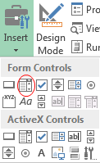
 |  |  |  |  | Location 8 | 35 | 10 | 88 | 28 | 71 | 79 | 12 | 0 | 48 | 70 | 12 | 75 | 12 | 52 | 15 | 38 | 75 | 14 | 68 | 98 | 76 | 19 | 44 | 42 | 63 | 75 | 53 | 95 | 61 | 84 | 97 | 85 | 97 | 93 | 90 | 51 | 66 | 20 | 100 | 54 | 27 | 60 | 30 | 31 | 77 | 48 | 100 | 73 | 92 | 40 | 54 | 29 | 90 | 98 | 29 | 91 | 48 | 19 | 72 | 19 | 67 | 97 | 53 | 53 | 28 | 82 | 42 | 48 | 18 | 63 | 71 | 45 | 22 | 68 | 22
 |  |  |  |  | Location 9 | 53 | 16 | 51 | 68 | 97 | 36 | 10 | 23 | 0 | 80 | 18 | 58 | 100 | 74 | 67 | 36 | 69 | 16 | 60 | 71 | 39 | 68 | 44 | 20 | 79 | 82 | 48 | 88 | 22 | 30 | 42 | 49 | 66 | 94 | 69 | 36 | 35 | 59 | 11 | 53 | 65 | 30 | 35 | 43 | 49 | 86 | 66 | 74 | 84 | 100 | 59 | 59 | 71 | 18 | 31 | 28 | 45 | 20 | 22 | 17 | 80 | 36 | 32 | 53 | 16 | 11 | 82 | 87 | 54 | 14 | 25 | 93 | 86 | 40 | 11
 |  |  |  |  | Location 10 | 23 | 69 | 14 | 75 | 10 | 18 | 44 | 72 | 34 | 0 | 88 | 61 | 72 | 18 | 62 | 64 | 31 | 90 | 81 | 89 | 43 | 33 | 93 | 88 | 32 | 95 | 46 | 32 | 22 | 17 | 92 | 51 | 52 | 93 | 62 | 13 | 72 | 100 | 54 | 52 | 70 | 16 | 41 | 38 | 100 | 39 | 74 | 48 | 86 | 50 | 66 | 73 | 99 | 51 | 22 | 52 | 46 | 92 | 59 | 28 | 17 | 49 | 13 | 72 | 71 | 86 | 81 | 60 | 39 | 100 | 87 | 100 | 10 | 80 | 31
 |  |  |  |  | Location 11 | 18 | 78 | 67 | 78 | 100 | 86 | 15 | 73 | 59 | 71 | 0 | 21 | 99 | 88 | 85 | 17 | 47 | 61 | 46 | 72 | 65 | 69 | 59 | 71 | 53 | 51 | 12 | 27 | 83 | 77 | 45 | 68 | 49 | 24 | 42 | 67 | 26 | 19 | 69 | 11 | 10 | 81 | 34 | 11 | 68 | 62 | 54 | 62 | 28 | 69 | 59 | 80 | 59 | 51 | 26 | 69 | 85 | 10 | 59 | 66 | 34 | 43 | 30 | 33 | 11 | 10 | 98 | 11 | 46 | 100 | 59 | 49 | 30 | 54 | 25
 |  |  |  |  | Location 12 | 11 | 44 | 21 | 23 | 18 | 20 | 13 | 79 | 27 | 37 | 50 | 0 | 84 | 90 | 54 | 78 | 65 | 65 | 39 | 15 | 52 | 88 | 54 | 53 | 76 | 28 | 99 | 67 | 78 | 88 | 45 | 70 | 35 | 46 | 15 | 18 | 28 | 45 | 59 | 94 | 86 | 17 | 19 | 13 | 90 | 47 | 40 | 20 | 23 | 85 | 83 | 28 | 98 | 82 | 60 | 69 | 69 | 93 | 40 | 66 | 46 | 88 | 14 | 85 | 34 | 91 | 67 | 37 | 96 | 30 | 63 | 28 | 21 | 51 | 44
 |  |  |  |  | Location 13 | 95 | 15 | 33 | 54 | 44 | 46 | 97 | 26 | 38 | 72 | 33 | 34 | 0 | 38 | 73 | 69 | 19 | 53 | 61 | 22 | 58 | 95 | 67 | 47 | 69 | 63 | 55 | 37 | 80 | 69 | 97 | 44 | 60 | 83 | 27 | 100 | 49 | 45 | 39 | 13 | 11 | 23 | 41 | 12 | 23 | 57 | 71 | 70 | 78 | 69 | 93 | 58 | 21 | 48 | 94 | 57 | 77 | 75 | 61 | 89 | 68 | 15 | 62 | 59 | 68 | 82 | 86 | 28 | 41 | 98 | 78 | 71 | 37 | 69 | 46
 |  |  |  |  | Location 14 | 41 | 60 | 16 | 58 | 82 | 19 | 42 | 39 | 98 | 68 | 10 | 60 | 95 | 0 | 67 | 43 | 49 | 10 | 87 | 55 | 13 | 32 | 10 | 43 | 73 | 90 | 15 | 71 | 24 | 13 | 10 | 87 | 66 | 84 | 45 | 18 | 53 | 39 | 11 | 42 | 85 | 18 | 100 | 15 | 59 | 34 | 82 | 49 | 35 | 98 | 30 | 85 | 52 | 93 | 22 | 75 | 74 | 63 | 98 | 11 | 64 | 45 | 10 | 65 | 96 | 79 | 72 | 40 | 95 | 45 | 88 | 91 | 87 | 100 | 60
 |  |  |  |  | Location 15 | 81 | 17 | 46 | 96 | 87 | 48 | 27 | 100 | 65 | 64 | 19 | 70 | 55 | 63 | 0 | 36 | 48 | 15 | 24 | 35 | 57 | 42 | 49 | 89 | 88 | 20 | 77 | 63 | 63 | 26 | 41 | 60 | 71 | 22 | 21 | 19 | 94 | 16 | 31 | 46 | 78 | 85 | 22 | 85 | 69 | 61 | 35 | 25 | 68 | 26 | 83 | 21 | 69 | 57 | 32 | 11 | 47 | 54 | 50 | 81 | 75 | 62 | 43 | 91 | 54 | 73 | 75 | 99 | 57 | 34 | 22 | 71 | 46 | 10 | 58
 |  |  |  |  | Location 16 | 72 | 98 | 97 | 92 | 33 | 35 | 22 | 93 | 35 | 17 | 13 | 53 | 70 | 15 | 89 | 0 | 51 | 44 | 78 | 59 | 27 | 74 | 30 | 90 | 71 | 39 | 70 | 45 | 85 | 62 | 61 | 95 | 28 | 92 | 78 | 29 | 21 | 47 | 75 | 84 | 65 | 76 | 76 | 47 | 73 | 18 | 88 | 57 | 46 | 92 | 67 | 60 | 46 | 38 | 14 | 79 | 81 | 41 | 16 | 88 | 94 | 56 | 13 | 35 | 87 | 43 | 54 | 85 | 78 | 96 | 39 | 11 | 52 | 100 | 19
 |  |  |  |  | Location 17 | 20 | 85 | 28 | 97 | 91 | 94 | 100 | 60 | 74 | 27 | 59 | 44 | 27 | 14 | 74 | 99 | 0 | 100 | 81 | 25 | 89 | 59 | 38 | 34 | 65 | 20 | 67 | 64 | 80 | 93 | 72 | 60 | 89 | 64 | 37 | 88 | 58 | 94 | 37 | 42 | 81 | 41 | 64 | 54 | 63 | 53 | 52 | 42 | 52 | 58 | 67 | 38 | 74 | 10 | 23 | 23 | 39 | 28 | 65 | 55 | 94 | 74 | 27 | 79 | 41 | 94 | 32 | 88 | 86 | 53 | 92 | 73 | 44 | 86 | 71
 |  |  |  |  | Location 18 | 91 | 65 | 30 | 28 | 65 | 74 | 29 | 97 | 53 | 11 | 32 | 87 | 71 | 91 | 18 | 30 | 11 | 0 | 37 | 34 | 26 | 78 | 39 | 91 | 47 | 88 | 95 | 85 | 24 | 28 | 86 | 74 | 38 | 99 | 81 | 36 | 22 | 56 | 57 | 14 | 91 | 32 | 70 | 70 | 25 | 23 | 27 | 23 | 70 | 18 | 65 | 89 | 76 | 47 | 45 | 57 | 95 | 16 | 62 | 47 | 98 | 26 | 79 | 42 | 19 | 95 | 21 | 74 | 14 | 83 | 21 | 77 | 75 | 93 | 69
 | From | To | Distance |  | Location 19 | 24 | 82 | 21 | 43 | 100 | 82 | 38 | 42 | 22 | 31 | 51 | 94 | 47 | 75 | 93 | 78 | 95 | 39 | 0 | 19 | 37 | 30 | 69 | 41 | 35 | 94 | 96 | 30 | 42 | 90 | 59 | 81 | 82 | 31 | 99 | 79 | 10 | 38 | 82 | 72 | 33 | 68 | 64 | 43 | 31 | 36 | 45 | 84 | 23 | 83 | 93 | 87 | 64 | 58 | 54 | 39 | 97 | 15 | 43 | 83 | 66 | 34 | 59 | 42 | 27 | 14 | 43 | 78 | 39 | 79 | 74 | 97 | 17 | 50 | 86
 | 12 | 29 | 78 |  | Location 20 | 12 | 68 | 16 | 77 | 31 | 57 | 54 | 93 | 35 | 34 | 96 | 77 | 84 | 38 | 21 | 30 | 49 | 59 | 78 | 0 | 65 | 16 | 82 | 59 | 44 | 75 | 29 | 17 | 53 | 53 | 64 | 32 | 54 | 71 | 37 | 90 | 65 | 82 | 15 | 27 | 100 | 15 | 89 | 97 | 17 | 77 | 15 | 18 | 91 | 42 | 74 | 74 | 53 | 68 | 85 | 37 | 40 | 45 | 85 | 56 | 98 | 42 | 54 | 78 | 95 | 33 | 20 | 92 | 78 | 89 | 60 | 48 | 89 | 69 | 91
 |  |  |  |  | Location 21 | 86 | 58 | 13 | 40 | 92 | 36 | 19 | 64 | 68 | 65 | 16 | 30 | 43 | 84 | 77 | 23 | 91 | 25 | 42 | 65 | 0 | 14 | 37 | 25 | 37 | 97 | 87 | 65 | 17 | 24 | 63 | 88 | 22 | 25 | 22 | 12 | 65 | 34 | 59 | 16 | 66 | 82 | 38 | 46 | 43 | 13 | 61 | 29 | 67 | 20 | 17 | 20 | 38 | 38 | 42 | 64 | 11 | 21 | 50 | 28 | 65 | 88 | 50 | 25 | 32 | 55 | 53 | 50 | 23 | 12 | 24 | 65 | 47 | 26 | 51
 | Format Control dialog box |  |  |  | Location 22 | 39 | 78 | 60 | 39 | 99 | 39 | 34 | 18 | 23 | 60 | 23 | 64 | 77 | 31 | 19 | 44 | 36 | 45 | 86 | 87 | 86 | 0 | 49 | 63 | 10 | 80 | 13 | 48 | 48 | 51 | 54 | 59 | 80 | 99 | 38 | 67 | 78 | 83 | 15 | 30 | 89 | 54 | 50 | 77 | 47 | 54 | 99 | 92 | 48 | 78 | 88 | 77 | 70 | 27 | 25 | 56 | 100 | 44 | 68 | 12 | 48 | 24 | 95 | 57 | 17 | 12 | 59 | 51 | 85 | 39 | 94 | 37 | 58 | 68 | 25
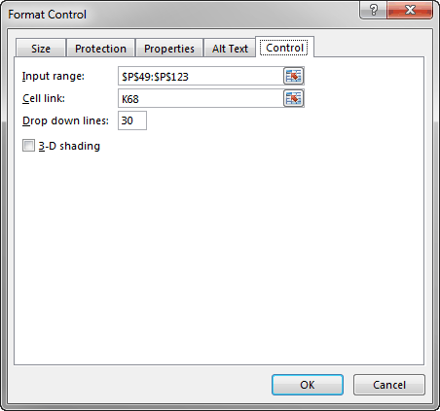
 |  |  |  |  | Location 23 | 99 | 53 | 56 | 13 | 93 | 81 | 64 | 70 | 48 | 91 | 43 | 47 | 41 | 76 | 45 | 72 | 84 | 16 | 15 | 65 | 14 | 63 | 0 | 98 | 63 | 29 | 27 | 89 | 54 | 83 | 58 | 22 | 68 | 12 | 15 | 73 | 45 | 88 | 83 | 85 | 55 | 19 | 79 | 17 | 63 | 46 | 51 | 54 | 18 | 86 | 96 | 50 | 45 | 91 | 31 | 27 | 15 | 67 | 60 | 38 | 93 | 79 | 98 | 94 | 78 | 35 | 51 | 32 | 76 | 84 | 91 | 25 | 15 | 53 | 27
 |  |  |  |  | Location 24 | 47 | 53 | 60 | 29 | 75 | 93 | 39 | 28 | 15 | 93 | 19 | 64 | 98 | 97 | 64 | 90 | 70 | 56 | 62 | 12 | 92 | 33 | 99 | 0 | 66 | 93 | 12 | 87 | 50 | 31 | 42 | 90 | 42 | 62 | 79 | 49 | 89 | 97 | 58 | 87 | 19 | 40 | 82 | 64 | 92 | 31 | 21 | 71 | 96 | 35 | 65 | 26 | 27 | 45 | 85 | 65 | 27 | 83 | 92 | 43 | 25 | 72 | 70 | 26 | 73 | 92 | 17 | 57 | 97 | 90 | 20 | 59 | 49 | 25 | 88
 |  |  |  |  | Location 25 | 52 | 91 | 96 | 95 | 45 | 21 | 24 | 61 | 17 | 49 | 75 | 82 | 27 | 95 | 78 | 21 | 80 | 80 | 57 | 38 | 55 | 72 | 56 | 21 | 0 | 15 | 27 | 78 | 69 | 92 | 78 | 19 | 39 | 87 | 18 | 18 | 33 | 83 | 13 | 45 | 34 | 42 | 58 | 40 | 59 | 64 | 48 | 53 | 33 | 94 | 99 | 65 | 45 | 28 | 33 | 87 | 27 | 27 | 58 | 27 | 96 | 37 | 96 | 39 | 90 | 81 | 21 | 62 | 40 | 13 | 55 | 10 | 51 | 73 | 56
 |  |  |  |  | Location 26 | 83 | 29 | 88 | 19 | 27 | 98 | 10 | 97 | 36 | 86 | 24 | 13 | 38 | 41 | 29 | 55 | 65 | 39 | 53 | 77 | 83 | 62 | 33 | 61 | 74 | 0 | 38 | 29 | 49 | 47 | 19 | 10 | 34 | 16 | 73 | 20 | 40 | 62 | 87 | 13 | 32 | 40 | 49 | 25 | 34 | 18 | 11 | 87 | 89 | 48 | 30 | 75 | 89 | 47 | 70 | 34 | 16 | 33 | 65 | 24 | 96 | 45 | 76 | 78 | 66 | 31 | 89 | 81 | 62 | 41 | 67 | 71 | 15 | 67 | 70
 |  |  |  |  | Location 27 | 76 | 57 | 31 | 96 | 76 | 95 | 57 | 28 | 53 | 40 | 24 | 18 | 98 | 58 | 21 | 94 | 48 | 93 | 95 | 97 | 63 | 93 | 26 | 13 | 56 | 27 | 0 | 75 | 89 | 40 | 69 | 19 | 15 | 21 | 10 | 67 | 27 | 54 | 74 | 84 | 60 | 63 | 50 | 96 | 19 | 90 | 62 | 30 | 41 | 75 | 20 | 67 | 78 | 35 | 62 | 50 | 80 | 74 | 84 | 90 | 24 | 62 | 92 | 37 | 29 | 62 | 88 | 91 | 30 | 23 | 37 | 62 | 62 | 94 | 95
 |  |  |  |  | Location 28 | 12 | 13 | 32 | 64 | 83 | 100 | 60 | 99 | 77 | 36 | 85 | 38 | 100 | 30 | 37 | 12 | 15 | 32 | 99 | 63 | 26 | 70 | 96 | 65 | 28 | 38 | 61 | 0 | 90 | 23 | 98 | 78 | 82 | 63 | 76 | 39 | 93 | 21 | 73 | 60 | 58 | 94 | 40 | 42 | 78 | 33 | 56 | 32 | 46 | 100 | 98 | 39 | 74 | 38 | 10 | 31 | 59 | 82 | 60 | 21 | 67 | 65 | 78 | 50 | 83 | 28 | 32 | 98 | 78 | 36 | 46 | 59 | 26 | 98 | 75
 |  |  |  |  | Location 29 | 38 | 16 | 29 | 59 | 11 | 51 | 70 | 50 | 37 | 85 | 88 | 66 | 58 | 43 | 79 | 75 | 50 | 87 | 53 | 29 | 69 | 77 | 17 | 81 | 34 | 39 | 85 | 44 | 0 | 81 | 22 | 64 | 32 | 35 | 72 | 84 | 40 | 56 | 26 | 65 | 97 | 46 | 37 | 82 | 75 | 10 | 70 | 65 | 65 | 56 | 94 | 24 | 92 | 91 | 12 | 76 | 47 | 43 | 56 | 52 | 39 | 48 | 52 | 74 | 44 | 24 | 41 | 29 | 29 | 78 | 73 | 61 | 10 | 87 | 54
 |  |  |  |  | Location 30 | 78 | 38 | 57 | 79 | 79 | 98 | 17 | 93 | 91 | 50 | 87 | 44 | 32 | 26 | 31 | 14 | 56 | 32 | 69 | 36 | 45 | 60 | 89 | 54 | 79 | 38 | 82 | 98 | 97 | 0 | 53 | 40 | 82 | 49 | 40 | 60 | 84 | 37 | 35 | 85 | 75 | 78 | 43 | 78 | 12 | 60 | 78 | 16 | 64 | 94 | 51 | 53 | 19 | 92 | 18 | 69 | 96 | 58 | 40 | 18 | 95 | 58 | 57 | 67 | 54 | 41 | 76 | 38 | 60 | 87 | 37 | 18 | 91 | 84 | 45
 |  |  |  |  | Location 31 | 82 | 63 | 35 | 48 | 39 | 14 | 74 | 84 | 74 | 47 | 51 | 80 | 51 | 99 | 69 | 57 | 64 | 39 | 84 | 65 | 81 | 55 | 72 | 14 | 74 | 41 | 37 | 96 | 49 | 89 | 0 | 15 | 98 | 73 | 36 | 31 | 76 | 99 | 63 | 45 | 47 | 83 | 55 | 26 | 94 | 26 | 28 | 32 | 98 | 63 | 92 | 34 | 99 | 96 | 58 | 83 | 39 | 32 | 12 | 40 | 82 | 95 | 33 | 89 | 43 | 75 | 83 | 97 | 34 | 70 | 96 | 89 | 36 | 66 | 91
 |  |  |  |  | Location 32 | 68 | 96 | 20 | 49 | 80 | 21 | 22 | 82 | 82 | 46 | 48 | 14 | 58 | 71 | 73 | 85 | 59 | 71 | 62 | 29 | 78 | 61 | 15 | 46 | 77 | 63 | 89 | 49 | 24 | 90 | 33 | 0 | 57 | 80 | 65 | 40 | 93 | 91 | 39 | 41 | 83 | 33 | 57 | 30 | 65 | 69 | 17 | 38 | 24 | 89 | 35 | 98 | 97 | 27 | 92 | 39 | 89 | 17 | 24 | 90 | 29 | 99 | 79 | 56 | 10 | 39 | 82 | 77 | 40 | 93 | 94 | 47 | 44 | 30 | 81
 |  |  |  |  | Location 33 | 87 | 43 | 97 | 99 | 73 | 33 | 92 | 52 | 26 | 49 | 54 | 79 | 82 | 16 | 13 | 85 | 14 | 17 | 31 | 63 | 18 | 54 | 24 | 53 | 28 | 12 | 71 | 16 | 44 | 99 | 55 | 73 | 0 | 91 | 97 | 91 | 54 | 10 | 77 | 40 | 72 | 31 | 87 | 84 | 91 | 93 | 86 | 16 | 56 | 28 | 92 | 16 | 39 | 88 | 96 | 11 | 45 | 24 | 52 | 19 | 86 | 92 | 71 | 94 | 17 | 89 | 74 | 96 | 86 | 36 | 85 | 57 | 40 | 22 | 94
 |  |  |  |  | Location 34 | 73 | 47 | 68 | 27 | 60 | 36 | 23 | 34 | 22 | 47 | 88 | 87 | 63 | 55 | 94 | 60 | 52 | 59 | 74 | 55 | 55 | 17 | 34 | 41 | 98 | 58 | 40 | 31 | 64 | 78 | 28 | 13 | 14 | 0 | 87 | 78 | 20 | 27 | 30 | 15 | 61 | 38 | 74 | 72 | 82 | 16 | 94 | 15 | 24 | 58 | 72 | 11 | 69 | 50 | 40 | 83 | 83 | 97 | 72 | 51 | 43 | 12 | 76 | 49 | 75 | 87 | 80 | 48 | 67 | 34 | 30 | 95 | 95 | 45 | 26
 |  |  |  |  | Location 35 | 41 | 62 | 22 | 75 | 20 | 83 | 15 | 30 | 28 | 99 | 59 | 50 | 46 | 59 | 16 | 31 | 36 | 74 | 92 | 89 | 29 | 64 | 97 | 71 | 57 | 78 | 36 | 91 | 81 | 94 | 75 | 95 | 18 | 59 | 0 | 22 | 88 | 24 | 80 | 38 | 56 | 99 | 90 | 69 | 17 | 84 | 22 | 88 | 72 | 16 | 16 | 71 | 54 | 33 | 70 | 74 | 75 | 96 | 94 | 95 | 25 | 20 | 16 | 15 | 72 | 23 | 66 | 100 | 91 | 56 | 100 | 83 | 83 | 69 | 11
 |  |  |  |  | Location 36 | 86 | 86 | 98 | 62 | 90 | 99 | 84 | 18 | 87 | 29 | 96 | 43 | 96 | 47 | 24 | 28 | 58 | 34 | 73 | 30 | 78 | 12 | 53 | 90 | 35 | 60 | 60 | 19 | 92 | 26 | 49 | 90 | 15 | 56 | 18 | 0 | 49 | 11 | 55 | 18 | 22 | 84 | 80 | 61 | 61 | 78 | 47 | 50 | 83 | 22 | 98 | 40 | 51 | 70 | 86 | 82 | 51 | 19 | 18 | 27 | 88 | 52 | 52 | 11 | 58 | 55 | 16 | 60 | 15 | 66 | 88 | 38 | 78 | 60 | 48
 |  |  |  |  | Location 37 | 10 | 34 | 96 | 94 | 42 | 21 | 12 | 91 | 12 | 65 | 51 | 51 | 73 | 87 | 14 | 32 | 45 | 80 | 42 | 92 | 15 | 14 | 100 | 19 | 56 | 94 | 14 | 29 | 70 | 79 | 10 | 54 | 88 | 43 | 33 | 95 | 0 | 56 | 29 | 89 | 90 | 17 | 84 | 42 | 85 | 49 | 27 | 38 | 18 | 28 | 16 | 42 | 51 | 31 | 97 | 45 | 67 | 89 | 91 | 79 | 55 | 13 | 15 | 91 | 47 | 44 | 64 | 83 | 57 | 31 | 69 | 38 | 76 | 91 | 19
 |  |  |  |  | Location 38 | 98 | 21 | 58 | 60 | 61 | 41 | 67 | 25 | 46 | 47 | 79 | 50 | 43 | 92 | 52 | 21 | 53 | 65 | 100 | 21 | 94 | 27 | 93 | 72 | 100 | 68 | 76 | 62 | 65 | 51 | 56 | 29 | 90 | 88 | 88 | 41 | 65 | 0 | 95 | 23 | 88 | 60 | 65 | 84 | 48 | 67 | 68 | 54 | 54 | 30 | 55 | 36 | 95 | 36 | 50 | 40 | 20 | 55 | 69 | 45 | 63 | 91 | 91 | 14 | 11 | 30 | 83 | 39 | 85 | 12 | 35 | 61 | 66 | 67 | 36
 |  |  |  |  | Location 39 | 67 | 74 | 50 | 38 | 54 | 72 | 85 | 53 | 37 | 96 | 70 | 88 | 62 | 93 | 38 | 37 | 42 | 32 | 97 | 12 | 74 | 52 | 80 | 68 | 63 | 41 | 91 | 63 | 28 | 57 | 34 | 49 | 72 | 67 | 17 | 20 | 42 | 96 | 0 | 40 | 84 | 66 | 90 | 57 | 68 | 56 | 49 | 13 | 34 | 75 | 53 | 30 | 73 | 26 | 26 | 53 | 99 | 88 | 39 | 17 | 62 | 85 | 38 | 60 | 28 | 56 | 23 | 32 | 61 | 65 | 37 | 66 | 46 | 30 | 35
 |  |  |  |  | Location 40 | 18 | 25 | 12 | 21 | 29 | 11 | 94 | 43 | 95 | 44 | 64 | 57 | 87 | 35 | 78 | 22 | 87 | 96 | 82 | 13 | 52 | 69 | 70 | 56 | 86 | 33 | 43 | 87 | 65 | 96 | 42 | 85 | 30 | 87 | 90 | 71 | 59 | 83 | 15 | 0 | 56 | 79 | 76 | 78 | 90 | 53 | 53 | 63 | 44 | 52 | 81 | 21 | 56 | 40 | 61 | 32 | 73 | 85 | 77 | 33 | 35 | 43 | 85 | 66 | 38 | 78 | 71 | 19 | 90 | 68 | 53 | 54 | 47 | 65 | 47
 |  |  |  |  | Location 41 | 75 | 44 | 26 | 19 | 83 | 56 | 45 | 14 | 22 | 75 | 90 | 80 | 55 | 64 | 51 | 48 | 17 | 25 | 76 | 62 | 15 | 22 | 89 | 59 | 79 | 91 | 70 | 79 | 67 | 34 | 25 | 63 | 38 | 40 | 21 | 74 | 91 | 92 | 76 | 26 | 0 | 60 | 54 | 23 | 91 | 10 | 72 | 26 | 48 | 31 | 83 | 100 | 14 | 72 | 36 | 71 | 30 | 34 | 45 | 11 | 83 | 30 | 43 | 74 | 12 | 34 | 49 | 31 | 16 | 49 | 94 | 29 | 88 | 97 | 38
Lining Up Controls
When you use controls, it is important to line them up so that they have a professional look. If your controls are slightly out of alignment, this is probably the first thing your users will notice, and because of it, they might lose all faith in you.
For example, the left sides of the three option buttons in the first example above should be left-aligned. This can be tricky (and time-consuming) to do, but there is a nice "nudge" trick you can use. Right-click any control to select it, and then press the Ctrl key and any of the Arrow keys to move the control slightly in the direction of the arrow. More specifically, here are Microsoft's own suggestions for moving any shape, including controls, text boxes, lines, rectangles, and so on. (You can use any or all of these.)
1. Drag the object to its new location.
2. To constrain an object so that it moves only horizontally or vertically, hold the Shift key while you drag the object.
3. To move in small increments, press an Arrow key.
 |  |  |  |  | Location 42 | 100 | 91 | 21 | 85 | 87 | 16 | 57 | 100 | 80 | 28 | 23 | 57 | 35 | 79 | 62 | 63 | 54 | 64 | 36 | 77 | 72 | 31 | 26 | 77 | 31 | 80 | 72 | 90 | 82 | 87 | 34 | 26 | 97 | 57 | 89 | 75 | 93 | 42 | 100 | 51 | 33 | 0 | 31 | 75 | 25 | 53 | 37 | 54 | 17 | 92 | 84 | 56 | 93 | 44 | 58 | 49 | 75 | 45 | 28 | 19 | 16 | 89 | 33 | 23 | 57 | 90 | 16 | 27 | 92 | 44 | 48 | 47 | 40 | 66 | 24
 |  |  |  |  | Location 43 | 44 | 87 | 52 | 86 | 47 | 35 | 47 | 100 | 94 | 76 | 14 | 99 | 16 | 33 | 53 | 51 | 25 | 84 | 31 | 54 | 29 | 100 | 62 | 85 | 60 | 16 | 75 | 85 | 48 | 89 | 45 | 98 | 74 | 90 | 73 | 99 | 44 | 95 | 19 | 55 | 59 | 53 | 0 | 55 | 80 | 22 | 33 | 70 | 25 | 57 | 48 | 81 | 59 | 35 | 27 | 82 | 27 | 38 | 79 | 66 | 10 | 65 | 90 | 23 | 11 | 91 | 17 | 22 | 46 | 55 | 64 | 91 | 96 | 77 | 84
 |  |  |  |  | Location 44 | 62 | 69 | 11 | 33 | 68 | 24 | 90 | 14 | 50 | 30 | 78 | 43 | 12 | 98 | 87 | 67 | 29 | 23 | 46 | 39 | 16 | 12 | 11 | 27 | 46 | 75 | 92 | 45 | 65 | 65 | 51 | 97 | 19 | 84 | 53 | 77 | 28 | 65 | 28 | 44 | 81 | 78 | 58 | 0 | 22 | 85 | 51 | 58 | 48 | 68 | 13 | 56 | 25 | 21 | 59 | 37 | 56 | 13 | 50 | 55 | 74 | 90 | 60 | 48 | 54 | 90 | 15 | 45 | 70 | 79 | 76 | 26 | 79 | 83 | 37
 |  |  |  |  | Location 45 | 37 | 55 | 11 | 66 | 62 | 91 | 91 | 62 | 69 | 84 | 99 | 72 | 20 | 59 | 36 | 77 | 64 | 15 | 17 | 38 | 52 | 42 | 95 | 86 | 77 | 30 | 88 | 14 | 99 | 51 | 11 | 45 | 96 | 79 | 86 | 60 | 98 | 54 | 27 | 11 | 28 | 82 | 46 | 96 | 0 | 38 | 61 | 73 | 99 | 100 | 19 | 38 | 25 | 32 | 47 | 59 | 16 | 88 | 32 | 97 | 65 | 93 | 36 | 33 | 17 | 41 | 15 | 43 | 62 | 83 | 71 | 19 | 45 | 66 | 91
 |  |  |  |  | Location 46 | 53 | 76 | 17 | 39 | 18 | 41 | 81 | 90 | 89 | 87 | 100 | 15 | 82 | 53 | 97 | 11 | 10 | 24 | 98 | 83 | 57 | 64 | 36 | 85 | 86 | 46 | 93 | 71 | 46 | 60 | 35 | 25 | 100 | 53 | 24 | 37 | 85 | 83 | 74 | 19 | 99 | 11 | 34 | 97 | 74 | 0 | 89 | 29 | 98 | 84 | 94 | 98 | 26 | 20 | 66 | 64 | 31 | 58 | 81 | 48 | 39 | 55 | 54 | 69 | 29 | 56 | 11 | 46 | 39 | 23 | 18 | 12 | 11 | 87 | 71
 |  |  |  |  | Location 47 | 98 | 75 | 100 | 67 | 54 | 63 | 36 | 68 | 86 | 16 | 30 | 53 | 87 | 92 | 66 | 90 | 70 | 94 | 32 | 59 | 93 | 92 | 53 | 75 | 89 | 80 | 53 | 46 | 68 | 83 | 26 | 78 | 99 | 40 | 27 | 86 | 80 | 54 | 10 | 30 | 53 | 31 | 90 | 14 | 50 | 90 | 0 | 52 | 28 | 24 | 50 | 66 | 94 | 74 | 84 | 98 | 44 | 98 | 36 | 66 | 72 | 74 | 68 | 93 | 80 | 37 | 50 | 49 | 66 | 45 | 25 | 12 | 40 | 54 | 52
 |  |  |  |  | Location 48 | 26 | 37 | 74 | 22 | 73 | 36 | 94 | 66 | 43 | 65 | 30 | 34 | 23 | 40 | 62 | 79 | 83 | 13 | 64 | 47 | 14 | 56 | 80 | 58 | 40 | 97 | 34 | 15 | 70 | 59 | 96 | 76 | 10 | 49 | 96 | 23 | 35 | 92 | 65 | 44 | 80 | 95 | 58 | 36 | 79 | 99 | 64 | 0 | 55 | 89 | 72 | 60 | 84 | 55 | 73 | 21 | 95 | 24 | 84 | 46 | 39 | 66 | 71 | 40 | 73 | 56 | 91 | 69 | 46 | 28 | 12 | 50 | 23 | 11 | 50
 |  |  |  |  | Location 49 | 30 | 86 | 62 | 18 | 62 | 83 | 57 | 71 | 23 | 12 | 31 | 31 | 70 | 95 | 34 | 34 | 54 | 58 | 73 | 10 | 41 | 44 | 76 | 95 | 26 | 89 | 82 | 41 | 18 | 48 | 87 | 83 | 98 | 97 | 44 | 80 | 39 | 60 | 73 | 89 | 42 | 23 | 79 | 86 | 85 | 85 | 23 | 13 | 0 | 81 | 10 | 63 | 13 | 70 | 14 | 87 | 69 | 70 | 34 | 46 | 46 | 51 | 53 | 73 | 72 | 35 | 38 | 24 | 36 | 76 | 84 | 51 | 57 | 33 | 49
 |  |  |  |  | Location 50 | 33 | 65 | 56 | 84 | 13 | 33 | 30 | 36 | 43 | 91 | 99 | 93 | 11 | 99 | 28 | 29 | 68 | 62 | 45 | 73 | 44 | 96 | 62 | 100 | 73 | 14 | 12 | 15 | 17 | 25 | 54 | 14 | 20 | 83 | 96 | 20 | 45 | 95 | 72 | 49 | 11 | 25 | 32 | 48 | 62 | 59 | 87 | 65 | 93 | 0 | 48 | 66 | 54 | 11 | 86 | 58 | 37 | 74 | 31 | 21 | 91 | 53 | 47 | 74 | 50 | 18 | 75 | 39 | 51 | 55 | 15 | 33 | 87 | 24 | 30
 |  |  |  |  | Location 51 | 53 | 26 | 84 | 65 | 14 | 48 | 38 | 34 | 39 | 46 | 47 | 66 | 36 | 56 | 51 | 64 | 33 | 39 | 83 | 56 | 47 | 27 | 29 | 12 | 14 | 50 | 22 | 89 | 32 | 14 | 11 | 54 | 85 | 92 | 97 | 55 | 30 | 11 | 72 | 13 | 15 | 76 | 26 | 19 | 90 | 100 | 36 | 100 | 20 | 11 | 0 | 37 | 30 | 37 | 32 | 68 | 24 | 15 | 89 | 87 | 29 | 45 | 54 | 31 | 17 | 35 | 41 | 68 | 16 | 23 | 46 | 87 | 19 | 75 | 85
 |  |  |  |  | Location 52 | 43 | 63 | 10 | 52 | 61 | 86 | 88 | 68 | 76 | 86 | 43 | 17 | 42 | 98 | 74 | 17 | 93 | 35 | 60 | 41 | 37 | 38 | 97 | 83 | 55 | 31 | 61 | 39 | 26 | 70 | 53 | 99 | 62 | 14 | 47 | 17 | 10 | 55 | 87 | 35 | 43 | 63 | 93 | 69 | 35 | 49 | 98 | 92 | 13 | 54 | 76 | 0 | 68 | 64 | 49 | 49 | 72 | 68 | 23 | 82 | 36 | 20 | 10 | 41 | 56 | 36 | 55 | 18 | 86 | 53 | 92 | 40 | 58 | 54 | 48
 |  |  |  |  | Location 53 | 43 | 37 | 49 | 97 | 45 | 86 | 13 | 39 | 55 | 61 | 81 | 49 | 29 | 84 | 24 | 17 | 91 | 31 | 85 | 52 | 70 | 85 | 62 | 46 | 15 | 60 | 19 | 18 | 71 | 77 | 18 | 73 | 93 | 54 | 50 | 52 | 83 | 24 | 26 | 29 | 21 | 37 | 34 | 14 | 77 | 35 | 76 | 72 | 51 | 28 | 73 | 62 | 0 | 21 | 62 | 60 | 39 | 33 | 95 | 100 | 70 | 78 | 11 | 92 | 69 | 79 | 51 | 32 | 87 | 68 | 79 | 27 | 27 | 53 | 36
 |  |  |  |  | Location 54 | 83 | 94 | 83 | 84 | 48 | 61 | 35 | 32 | 36 | 67 | 65 | 16 | 29 | 42 | 56 | 53 | 15 | 83 | 80 | 66 | 84 | 38 | 29 | 77 | 75 | 23 | 73 | 72 | 93 | 29 | 66 | 34 | 83 | 88 | 58 | 10 | 21 | 28 | 93 | 17 | 81 | 31 | 100 | 89 | 67 | 30 | 33 | 76 | 69 | 71 | 97 | 91 | 97 | 0 | 12 | 16 | 15 | 91 | 58 | 87 | 82 | 67 | 70 | 43 | 84 | 81 | 93 | 57 | 93 | 25 | 32 | 58 | 25 | 82 | 47
 |  |  |  |  | Location 55 | 21 | 70 | 82 | 49 | 13 | 62 | 22 | 53 | 54 | 10 | 90 | 81 | 38 | 49 | 85 | 86 | 83 | 31 | 97 | 18 | 95 | 28 | 72 | 20 | 34 | 82 | 28 | 77 | 80 | 63 | 73 | 21 | 50 | 38 | 88 | 87 | 68 | 85 | 67 | 94 | 24 | 36 | 41 | 82 | 78 | 59 | 87 | 10 | 23 | 37 | 10 | 77 | 12 | 71 | 0 | 16 | 49 | 26 | 25 | 90 | 100 | 65 | 45 | 78 | 62 | 53 | 28 | 26 | 54 | 58 | 49 | 11 | 63 | 69 | 29
 |  |  |  |  | Location 56 | 86 | 25 | 37 | 53 | 42 | 74 | 32 | 86 | 35 | 17 | 71 | 43 | 85 | 57 | 47 | 54 | 75 | 99 | 30 | 72 | 68 | 94 | 73 | 49 | 16 | 49 | 94 | 41 | 91 | 58 | 25 | 95 | 81 | 97 | 53 | 76 | 40 | 93 | 10 | 68 | 69 | 84 | 41 | 12 | 40 | 58 | 67 | 79 | 38 | 68 | 38 | 70 | 10 | 14 | 52 | 0 | 37 | 63 | 50 | 60 | 13 | 87 | 55 | 31 | 96 | 57 | 33 | 41 | 32 | 19 | 91 | 34 | 36 | 27 | 30
 |  |  |  |  | Location 57 | 86 | 32 | 64 | 64 | 52 | 69 | 60 | 92 | 89 | 42 | 46 | 27 | 19 | 76 | 45 | 14 | 99 | 35 | 83 | 70 | 65 | 23 | 75 | 10 | 71 | 56 | 60 | 98 | 36 | 43 | 100 | 91 | 58 | 99 | 62 | 21 | 64 | 42 | 94 | 94 | 93 | 89 | 25 | 30 | 66 | 43 | 18 | 22 | 28 | 53 | 79 | 81 | 49 | 85 | 90 | 27 | 0 | 64 | 24 | 15 | 71 | 22 | 79 | 43 | 19 | 15 | 62 | 24 | 92 | 98 | 16 | 90 | 27 | 56 | 72
 |  |  |  |  | Location 58 | 14 | 58 | 75 | 48 | 87 | 50 | 71 | 49 | 49 | 63 | 51 | 43 | 72 | 61 | 73 | 39 | 58 | 53 | 64 | 91 | 99 | 45 | 69 | 48 | 21 | 58 | 51 | 36 | 60 | 46 | 55 | 93 | 50 | 66 | 12 | 51 | 83 | 60 | 26 | 19 | 86 | 31 | 81 | 76 | 13 | 56 | 76 | 27 | 94 | 18 | 75 | 38 | 30 | 86 | 97 | 52 | 97 | 0 | 89 | 33 | 78 | 29 | 15 | 74 | 22 | 40 | 54 | 39 | 48 | 13 | 66 | 20 | 89 | 33 | 67
 |  |  |  |  | Location 59 | 87 | 78 | 90 | 16 | 80 | 22 | 15 | 32 | 14 | 86 | 65 | 83 | 18 | 47 | 65 | 48 | 71 | 60 | 62 | 66 | 94 | 38 | 21 | 13 | 15 | 24 | 74 | 48 | 46 | 48 | 61 | 40 | 12 | 95 | 35 | 65 | 67 | 15 | 29 | 78 | 90 | 65 | 37 | 85 | 64 | 43 | 52 | 56 | 34 | 15 | 86 | 79 | 10 | 48 | 46 | 61 | 88 | 44 | 0 | 59 | 45 | 69 | 43 | 95 | 10 | 60 | 29 | 41 | 68 | 90 | 68 | 38 | 79 | 50 | 86
 |  |  |  |  | Location 60 | 98 | 97 | 52 | 70 | 82 | 57 | 61 | 16 | 74 | 13 | 11 | 82 | 10 | 38 | 78 | 87 | 25 | 93 | 81 | 32 | 79 | 50 | 18 | 80 | 88 | 98 | 19 | 86 | 77 | 59 | 80 | 81 | 55 | 44 | 17 | 94 | 57 | 56 | 67 | 90 | 41 | 86 | 29 | 35 | 84 | 21 | 76 | 80 | 28 | 56 | 12 | 62 | 60 | 73 | 87 | 12 | 95 | 77 | 79 | 0 | 91 | 22 | 43 | 39 | 80 | 37 | 26 | 37 | 75 | 96 | 44 | 80 | 50 | 85 | 70
 |  |  |  |  | Location 61 | 82 | 36 | 94 | 60 | 70 | 72 | 49 | 88 | 90 | 42 | 94 | 98 | 69 | 24 | 82 | 22 | 45 | 26 | 39 | 94 | 17 | 85 | 69 | 48 | 66 | 39 | 64 | 53 | 40 | 45 | 66 | 46 | 61 | 50 | 61 | 71 | 94 | 31 | 61 | 79 | 71 | 60 | 38 | 36 | 57 | 27 | 39 | 46 | 58 | 36 | 77 | 85 | 79 | 38 | 36 | 50 | 39 | 19 | 78 | 85 | 0 | 27 | 22 | 39 | 26 | 100 | 53 | 46 | 44 | 18 | 54 | 35 | 71 | 72 | 16
 |  |  |  |  | Location 62 | 93 | 26 | 88 | 92 | 30 | 20 | 23 | 98 | 31 | 28 | 96 | 31 | 50 | 25 | 43 | 42 | 76 | 56 | 13 | 70 | 23 | 100 | 35 | 97 | 60 | 87 | 88 | 87 | 47 | 29 | 58 | 38 | 68 | 68 | 90 | 78 | 89 | 92 | 38 | 46 | 39 | 77 | 27 | 70 | 70 | 92 | 10 | 67 | 89 | 24 | 50 | 84 | 16 | 85 | 25 | 34 | 49 | 27 | 92 | 55 | 50 | 0 | 72 | 26 | 56 | 97 | 20 | 89 | 12 | 56 | 23 | 95 | 34 | 60 | 77
 |  |  |  |  | Location 63 | 95 | 24 | 26 | 23 | 14 | 22 | 82 | 52 | 36 | 97 | 18 | 80 | 54 | 42 | 39 | 57 | 70 | 80 | 66 | 35 | 99 | 99 | 43 | 24 | 54 | 49 | 18 | 33 | 79 | 80 | 65 | 92 | 33 | 35 | 61 | 56 | 50 | 42 | 17 | 31 | 39 | 54 | 84 | 75 | 69 | 26 | 50 | 87 | 47 | 84 | 64 | 99 | 27 | 94 | 88 | 88 | 36 | 38 | 78 | 39 | 99 | 15 | 0 | 67 | 91 | 18 | 60 | 97 | 11 | 46 | 69 | 58 | 25 | 94 | 65
 |  |  |  |  | Location 64 | 51 | 63 | 57 | 75 | 66 | 12 | 76 | 58 | 66 | 36 | 42 | 46 | 17 | 44 | 62 | 20 | 83 | 57 | 57 | 12 | 15 | 37 | 13 | 36 | 96 | 43 | 28 | 70 | 21 | 60 | 61 | 51 | 15 | 82 | 82 | 84 | 53 | 90 | 31 | 100 | 53 | 96 | 57 | 51 | 20 | 80 | 93 | 60 | 57 | 18 | 65 | 72 | 22 | 17 | 37 | 69 | 88 | 100 | 53 | 77 | 49 | 16 | 100 | 0 | 91 | 66 | 42 | 31 | 23 | 11 | 42 | 16 | 78 | 14 | 86
 |  |  |  |  | Location 65 | 15 | 58 | 52 | 27 | 57 | 14 | 67 | 87 | 90 | 24 | 23 | 37 | 26 | 96 | 83 | 64 | 70 | 78 | 68 | 99 | 67 | 33 | 22 | 41 | 65 | 18 | 70 | 21 | 74 | 12 | 62 | 52 | 53 | 52 | 51 | 33 | 76 | 22 | 68 | 48 | 48 | 48 | 12 | 43 | 73 | 93 | 30 | 85 | 44 | 54 | 62 | 50 | 95 | 37 | 26 | 88 | 18 | 35 | 17 | 15 | 16 | 94 | 23 | 80 | 0 | 27 | 20 | 93 | 46 | 22 | 97 | 86 | 91 | 23 | 27
 |  |  |  |  | Location 66 | 99 | 48 | 35 | 50 | 44 | 76 | 84 | 11 | 43 | 43 | 94 | 55 | 84 | 36 | 55 | 72 | 54 | 100 | 84 | 62 | 27 | 25 | 53 | 38 | 15 | 25 | 51 | 79 | 64 | 38 | 10 | 50 | 71 | 38 | 66 | 37 | 75 | 57 | 14 | 100 | 64 | 90 | 45 | 69 | 78 | 44 | 65 | 85 | 84 | 42 | 59 | 96 | 56 | 62 | 78 | 13 | 52 | 17 | 61 | 63 | 55 | 17 | 90 | 39 | 53 | 0 | 87 | 41 | 24 | 58 | 11 | 72 | 70 | 43 | 17
 |  |  |  |  | Location 67 | 81 | 96 | 88 | 44 | 53 | 95 | 77 | 34 | 100 | 38 | 74 | 38 | 69 | 95 | 66 | 28 | 51 | 95 | 58 | 77 | 66 | 25 | 15 | 82 | 38 | 26 | 53 | 69 | 63 | 33 | 41 | 33 | 23 | 50 | 99 | 91 | 16 | 17 | 83 | 89 | 59 | 32 | 60 | 46 | 47 | 43 | 79 | 57 | 33 | 33 | 90 | 45 | 54 | 67 | 95 | 95 | 87 | 47 | 29 | 58 | 98 | 46 | 42 | 97 | 12 | 40 | 0 | 27 | 34 | 49 | 54 | 11 | 87 | 20 | 37
 |  |  |  |  | Location 68 | 12 | 54 | 15 | 44 | 54 | 45 | 90 | 44 | 29 | 29 | 20 | 69 | 44 | 14 | 57 | 81 | 59 | 54 | 77 | 72 | 36 | 30 | 98 | 20 | 91 | 67 | 36 | 89 | 93 | 49 | 73 | 98 | 18 | 16 | 12 | 18 | 65 | 71 | 42 | 67 | 20 | 50 | 71 | 42 | 53 | 48 | 15 | 85 | 54 | 70 | 50 | 84 | 37 | 86 | 76 | 30 | 22 | 12 | 50 | 62 | 10 | 100 | 20 | 46 | 71 | 49 | 44 | 0 | 90 | 55 | 98 | 36 | 92 | 19 | 18
 |  |  |  |  | Location 69 | 62 | 34 | 90 | 29 | 74 | 50 | 33 | 84 | 28 | 48 | 53 | 62 | 34 | 99 | 77 | 52 | 10 | 62 | 64 | 51 | 58 | 90 | 22 | 79 | 60 | 20 | 48 | 21 | 19 | 23 | 92 | 34 | 55 | 12 | 62 | 81 | 72 | 55 | 19 | 20 | 25 | 19 | 79 | 43 | 86 | 18 | 35 | 38 | 82 | 46 | 38 | 56 | 49 | 14 | 60 | 75 | 49 | 55 | 95 | 70 | 41 | 53 | 64 | 19 | 67 | 87 | 10 | 57 | 0 | 88 | 38 | 21 | 59 | 96 | 87
 |  |  |  |  | Location 70 | 37 | 24 | 86 | 46 | 71 | 92 | 40 | 83 | 40 | 63 | 22 | 30 | 75 | 86 | 85 | 34 | 73 | 32 | 84 | 47 | 71 | 97 | 93 | 100 | 43 | 90 | 19 | 89 | 25 | 13 | 59 | 40 | 10 | 73 | 16 | 67 | 25 | 64 | 98 | 13 | 60 | 74 | 79 | 83 | 58 | 33 | 80 | 48 | 27 | 27 | 65 | 91 | 51 | 57 | 37 | 99 | 52 | 62 | 54 | 34 | 32 | 95 | 25 | 61 | 76 | 25 | 22 | 16 | 64 | 0 | 31 | 67 | 25 | 66 | 56
 |  |  |  |  | Location 71 | 40 | 47 | 80 | 47 | 61 | 16 | 25 | 37 | 71 | 85 | 71 | 69 | 16 | 83 | 81 | 68 | 19 | 64 | 47 | 59 | 90 | 82 | 62 | 84 | 74 | 78 | 100 | 26 | 72 | 66 | 76 | 48 | 12 | 73 | 62 | 26 | 100 | 81 | 43 | 19 | 30 | 16 | 26 | 64 | 88 | 25 | 64 | 58 | 56 | 17 | 83 | 97 | 81 | 23 | 52 | 15 | 31 | 19 | 37 | 92 | 33 | 50 | 97 | 41 | 61 | 92 | 50 | 38 | 22 | 95 | 0 | 22 | 41 | 97 | 38
 |  |  |  |  | Location 72 | 57 | 69 | 56 | 17 | 54 | 10 | 79 | 93 | 46 | 72 | 49 | 33 | 12 | 34 | 56 | 84 | 80 | 15 | 83 | 78 | 82 | 15 | 15 | 73 | 39 | 53 | 50 | 100 | 27 | 63 | 52 | 50 | 84 | 21 | 68 | 78 | 27 | 79 | 39 | 17 | 58 | 59 | 43 | 54 | 37 | 29 | 24 | 70 | 14 | 58 | 49 | 24 | 81 | 13 | 94 | 95 | 87 | 30 | 97 | 14 | 97 | 35 | 39 | 34 | 20 | 44 | 37 | 43 | 63 | 30 | 69 | 0 | 68 | 31 | 99
 |  |  |  |  | Location 73 | 37 | 71 | 37 | 56 | 80 | 100 | 75 | 58 | 85 | 72 | 90 | 30 | 60 | 24 | 65 | 46 | 62 | 50 | 22 | 37 | 98 | 58 | 42 | 38 | 90 | 86 | 65 | 50 | 92 | 30 | 91 | 32 | 78 | 68 | 91 | 44 | 86 | 47 | 44 | 87 | 82 | 32 | 17 | 53 | 55 | 70 | 90 | 57 | 74 | 51 | 76 | 34 | 87 | 99 | 59 | 39 | 56 | 84 | 97 | 73 | 28 | 67 | 87 | 58 | 13 | 56 | 51 | 20 | 30 | 88 | 41 | 28 | 0 | 40 | 86
 |  |  |  |  | Location 74 | 31 | 13 | 21 | 81 | 88 | 56 | 29 | 66 | 30 | 19 | 39 | 75 | 32 | 18 | 31 | 73 | 18 | 31 | 59 | 79 | 42 | 81 | 47 | 33 | 73 | 19 | 27 | 46 | 34 | 15 | 93 | 86 | 11 | 10 | 50 | 92 | 78 | 70 | 84 | 47 | 29 | 27 | 83 | 42 | 60 | 54 | 50 | 24 | 34 | 20 | 10 | 59 | 24 | 87 | 80 | 65 | 53 | 11 | 53 | 58 | 99 | 17 | 70 | 27 | 34 | 36 | 25 | 84 | 81 | 26 | 55 | 26 | 28 | 0 | 57
 |  |  |  |  | Location 75 | 50 | 54 | 65 | 74 | 16 | 97 | 65 | 52 | 76 | 38 | 41 | 75 | 65 | 72 | 44 | 63 | 61 | 22 | 59 | 24 | 35 | 69 | 34 | 29 | 62 | 87 | 76 | 13 | 88 | 30 | 88 | 88 | 41 | 92 | 74 | 96 | 10 | 80 | 84 | 82 | 94 | 41 | 89 | 24 | 70 | 78 | 82 | 34 | 21 | 83 | 35 | 58 | 82 | 30 | 47 | 16 | 33 | 11 | 34 | 55 | 10 | 83 | 44 | 52 | 27 | 61 | 77 | 95 | 68 | 28 | 18 | 54 | 77 | 73 | 0

Intro to Power BI
Return to List of Topics sheet
Power BI
Power BI, short for "self-service power business intelligence," is a suite of tools Microsoft has been developing in the past several years, starting with Excel 2010. These powerful tools, including Power Query, Power Pivot, Power View, and Power Map, enable you to build powerful applications in Excel for importing data from a variety of sources, analyzing the data with pivot tables and other tools, and creating reports and 3D maps of the data. These Power BI tools rely on the relatively new Excel Data Model, which allows you to store large multi-table data sets, along with the relationships between the tables, inside Excel. The term "self-service" implies that typical Excel users like yourself can import, analyze, and report data in a variety of ways, without having to rely on IT departments to generate the results you need.
The Power BI tools, especially their user interfaces, have changed rapidly over the past few years, and they continue to change. Therefore, there is no guarantee that the screenshots and explanations provided in this section of the tutorial will be completely accurate when you try them. The basic ideas will probably change very little, but you will probably have to experiment to get used to the changing user interfaces.
In addition, Microsoft offers several versions of Office, and not all of them include all of the Power BI tools discussed here. At this writing, you should have a Professional Plus or higher version to ensure that you have all of the Power BI tools -- but even this could change in the future.
Note that the "Power" topics in this section all indicate "introduced in Excel 2016." This isn't strictly true. These Power tools have been available in one way or another (usually as free add-ins) for Excel 2013 or even Excel 2010. However, they are all available as part of Excel 2016, at least for versions of Office Professional Plus or higher.

Power Pivot
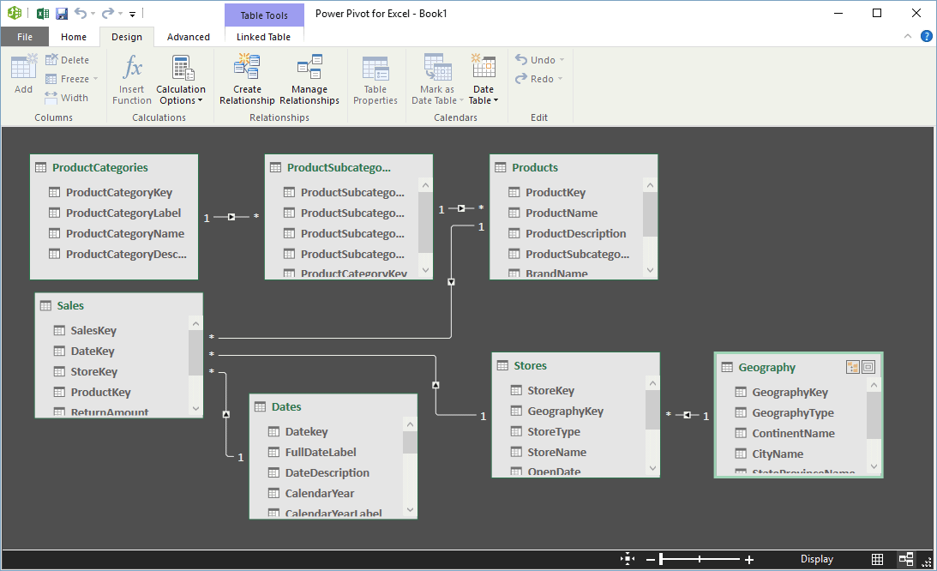
Return to List of Topics sheet

Power Pivot
The Excel Data Model, described in another topic in this tutorial, lets you relate tables of data much like relational database software has been doing for decades, but now it is done entirely inside Excel. The current topic discusses Power Pivot, arguably the most popular component of the Power BI suite. Power Pivot, as the name suggests, is related to pivot tables, but Power Pivot is more flexible and provides more powerful tools than normal pivot table tools. In part, it is a front end, or user interface, for working with the Data Model, but it is much more. You can build pivot tables from a Data Model without using Power Pivot, but Power Pivot makes the process easier and it provides many advanced options.
Power Pivot does not ship with all versions of Office. At least for Office 2016, you need the Professional Plus version or higher. And even if you have Power Pivot, it is an add-in that you need to load. To do so, make sure the Developer tab is visible. (If it isn't, right-click a ribbon, select Customize the Ribbon, and check the Developer item in the right pane of the resulting Customize dialog box.) Then check the Power Pivot item in the COM add-ins list. (If this item is not in your list, then your version of Office does not include Power Pivot.) Once Power Pivot is loaded, you will see a Power Pivot tab with the associated ribbon shown to the right.
Probably your first question is how the Data Model and Power Pivot benefit you. Here are the main benefits:
1. The Data Model and/or Power Pivot let you merge data from multiple tables without using database software or VLOOKUPs within Excel. As the Data Model topic in this tutorial indicates, it is now easy to manage relationships across tables by using primary and foreign keys, all within Excel.
2. The Data Model and/or Power Pivot enable you to base a pivot table on huge tables with millions of rows. They are limited only by the 2GB maximum file size for a workbook and your computer's available memory.
3. With Power Pivot, you can create measures with the DAX (Data Analysis Expressions) language. This is probably the most difficult part of Power Pivot to master, but it is worth the effort. Measures with DAX provide many more possibilities than regular pivot table calculated fields, and they can be extremely powerful. (Note: Microsoft has gone back and forth on the terminology. The original term used was "measures." Then in Excel 2013, they were renamed "calculated fields." Now with Excel 2016, the original term "measures" is back, and most analysts are glad to see it. In addition, Microsoft finally had the sense to put a space between Power and Pivot!)
The rest of this explanation assumes that you do have Power Pivot and that it is loaded. Now you are ready to get started. Because the procedure requires quite a few steps, only a brief discussion of the procedure is given here.
As shown to the right, there is a Manage button on the Power Pivot ribbon. You use this to open a Power Pivot window, which is basically a backstage view for managing your Data Model, a set of tables in Excel that will eventually be related. If you have used Access, the Power Pivot window will look fairly familiar. (See the two screenshots to the right.) It allows you to view, create, and manage relationships between tables. That is, it enables you to manage your Data Model in an intuitive manner. Then back in Excel or in the Power Pivot window, you can build pivot tables from the data in your Data Model in the usual way.
Two important possibilities in the Power Pivot window are worth mentioning. First, as discussed earlier, you can create measures with the new DAX language. For example, given SalesAmount, TotalCost, and ReturnAmount fields, you can create a measure called Profit with the formula =SUM([SalesAmount])-SUM([TotalCost])-SUM([ReturnAmount]), where the square brackets are required. Then Profit can be used in a pivot table. Actually, if you drag an existing field like SalesAmount to the Values area of a pivot table, an implicit measure, SUM([SalesAmount]), is created, so that SalesAmount is summarized by the Sum function. Fortunately, you can create other explicit measures, like the Profit measure just described, for summarizing in a pivot table.
Second, you can create hierarchies, such as the hierarchy ProductCategory, ProductSubcategory, ProductName for products, or Year, Quarter, Month, Day for dates. Then you can add these hierarchies to the Rows or Columns area of a pivot table, which allows you to drill down for insightful information. Fortunately, this is very easy to do.
Again, this discussion only scratches the surface of what you can do with Power Pivot and its powerful DAX language. To learn more, you should search for discussions on the Web or read one of the recent books on Power Pivot. This will be time well spent because the skills you will learn are becoming increasingly valuable in the business world.
 | COM Add-Ins button on Developer ribbon

 | Power Pivot in COM Add-Ins
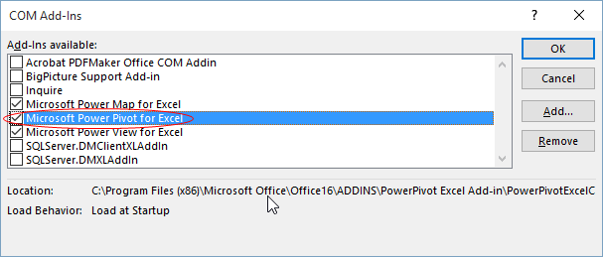

 | Power Pivot ribbon

 | Power Pivot window with a data model (data view)
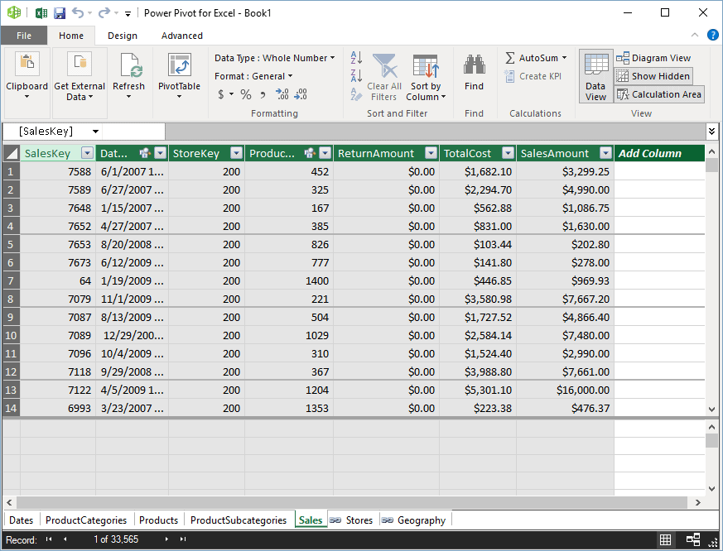

 | Power Pivot window with a data model (diagram view)

Power View
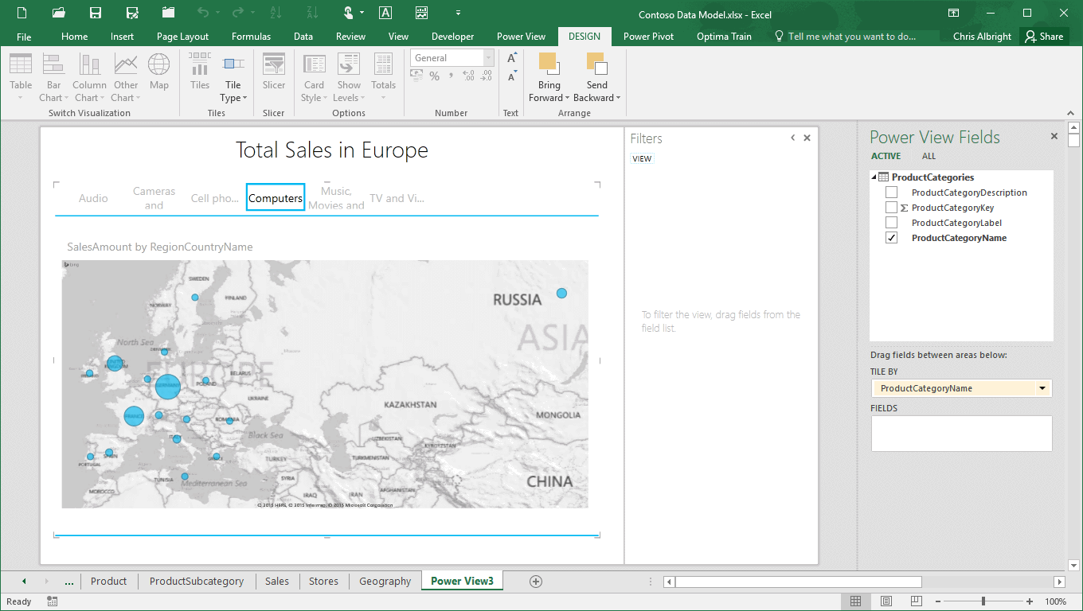
Return to List of Topics sheet

Power View
Power View is an add-in in the Power BI suite that lets you create quick but insightful reports based on data in a Data Model.
Power View does not ship with all versions of Office. At least for Office 2016, you need the Professional Plus version or higher. And even if you have Power View, it is an add-in that you need to load. To do so, make sure the Developer tab is visible. (If it isn't, right-click a ribbon, select Customize the Ribbon, and check the Developer item in the right pane of the resulting Customize dialog box.) Then check the Power View item in the COM add-ins list. (If this item is not in your list, then your version of Office does not include Power View.)
Once Power View is loaded, you should see a Power View item on one of the ribbons -- but you don't. For some reason, Microsoft deleted the Power View button that was on the Insert ribbon in Excel 2013. However, it is still available by customizing the ribbon. To do so, right-click any ribbon, select Customize the Ribbon, select Insert a Power View Report from the All Commands list on the left, and drag it to a ribbon (and a position on the ribbon) of your choice. I did this, adding the Power View button to the Insert ribbon (as it was in Excel 2013), as shown to the right.
The rest of this explanation assumes that you do have Power View and that it is loaded and available. Now you are ready to get started. Because Power View provides so many options, only a brief discussion is given here.
Once you have built your Data Model, you can use Power View to create reports that are based on your Data Model. You do this by clicking the Power View button (on whichever ribbon you inserted it). This creates a new Power View interactive worksheet. Depending on what is selected, new tabs and associated ribbons become available, and the Power View pane on the right changes appropriately. The various options allow you to create lists, bar charts, column charts, and even maps of your data broken down in many possible ways by the fields in the various (related) tables of the Data Model. See to the right for three possibilities. (Be aware that maps use the Bing search engine, so you must have an active Internet connection.)
Again, this discussion only scratches the surface of what you can do with Power View. To learn more, you should search for discussions on the Web or read one of the recent books that discusses Power View.
 | COM Add-Ins button on Developer ribbon

 | Power View in COM Add-Ins
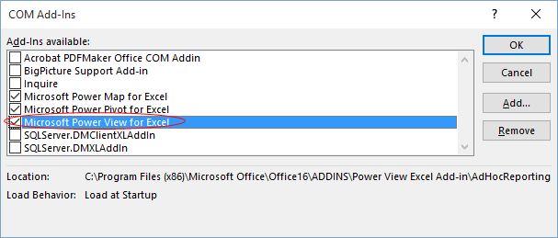

 | Power View button on Insert ribbon

 | Power View table
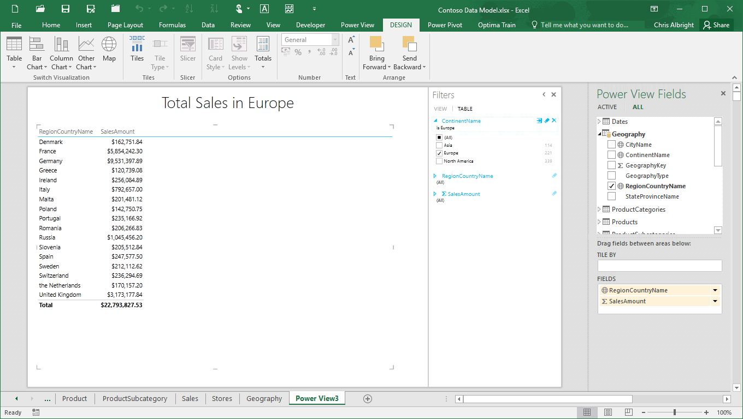

 | Power View map
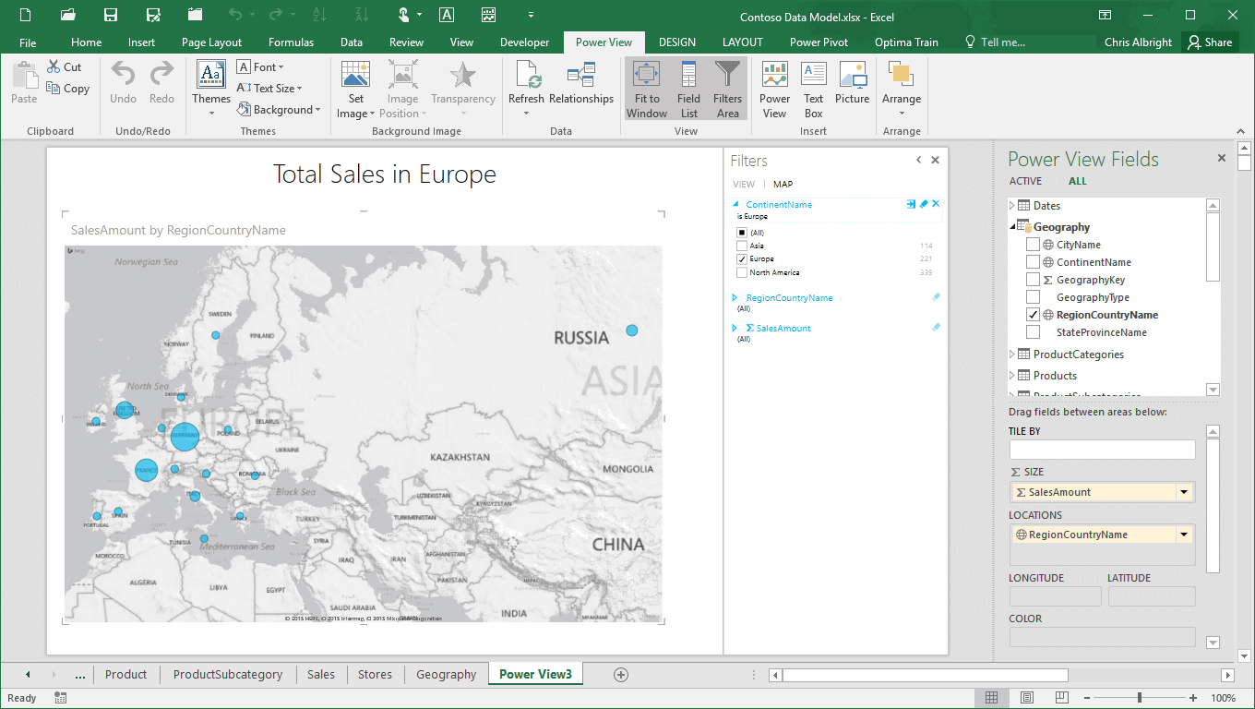

 | Power View map with a tile for product category

Power Map
Return to List of Topics sheet
Power Map (introduced in Excel 2016)
The 3D Map option, available on the Insert ribbon, implements the Power Map tool in the Power BI suite. It lets you create maps of geographical information with a few clicks. The example to the right is typical. The data set lists the numbers of customers for some product in various states and cities. To get the map on the right, just select any cell in the data range and click Open 3D Maps. A 3D map opens in a new window, and from there, it is just a matter of adding elements to the map. You could probably read a long explanation of the various options, but it's better to simply experiment. The map shown, with a bubble for each city with size proportional to the number of customers, required only a couple mouse clicks.
The map to the right is a static map. To make it dynamic, you could change the data set to have a date column, with the number of customers in each city and state listed for each date. Then you could "play" the resulting map to show the changes in time.
Try it! Do exactly what the preceding paragraph suggests. You can make up the dates and the customer data.
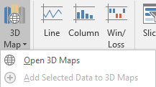
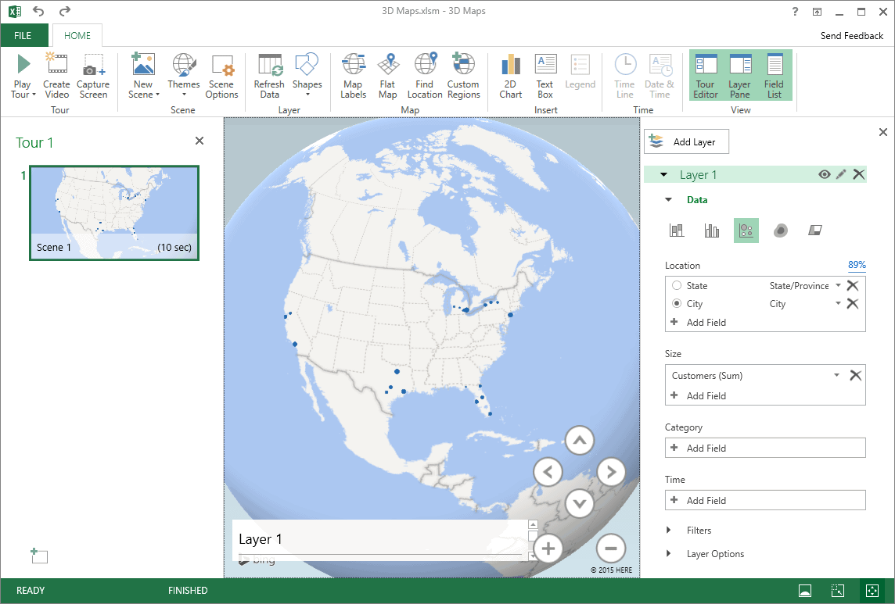

 | State | City | Customers
 | California | Los Angeles | 43498
 | California | San Francisco | 28760
 | California | Sacramento | 15083
 | Florida | Tallahassee | 5963
 | Florida | Miami | 29036
 | Florida | Orlando | 22176
 | Florida | Tampa | 25735
 | Florida | Jacksonville | 16327
 | Michigan | Detroit | 38216
 | Michigan | Ann Arbor | 12741
 | Michigan | East Lansing | 7667
 | Michigan | Grand Rapids | 10145
 | New York | New York | 41963
 | New York | Buffalo | 22336
 | New York | Rochester | 18605
 | New York | Syracuse | 12470
 | Texas | Houston | 37776
 | Texas | Dallas | 40597
 | Texas | San Antonio | 18013
 | Texas | Austin | 23476

Naming Ranges
Return to Contents
 |  | Return to List of Topics sheet
Practice: Naming Ranges

Exercise 1-Name a range

1. Select range B6:C11.
2. From Excel's menus choose
Insert, Name, Create.
3. In the "Create Names" dialog,
click "Left column" and then
"OK".
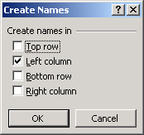
Excel makes its best guess as to where your labels are in relation to your data. You may have more than one option selected. For example, "Top row" AND "Left column".
January | 30
February | 45
March | 22
April | 18
May | 10
June | 58

Exercise 2-Name a range

1. Select range B20:B22.
2. From Excel's menus choose
Insert, Name, Define.
3. In the "Define Name" dialog,
supply a name for the selected
range or if Excel has provided
a name accept its suggestion.
4. Click "OK".
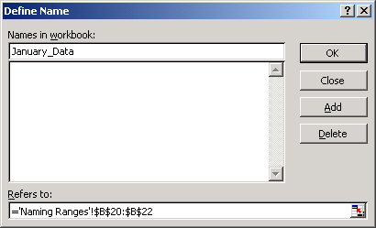
January Data
35
44
66

Exercise 3-Name a range

1. Select range B37:C39.
2. Click in the "Name Box" at the
left of Excel's formula bar.
3. In the "Name Box" type the
text Aqua_Range and hit the
enter key.

Range name text typed into the "Name Box" at the left of Excel's formula bar.

Exercise 4-Display range names
1. Display the range names you've assigned by
clicking the drop-down arrow in the "Name
Box".
2. Document in the worksheet the range names
you've assigned by clicking a cell in a blank
area of the worksheet and choosing the
commands Insert, Name, Paste, Paste List.

An example of "paste listed" range names.

Exercise 5-Add a cell comment

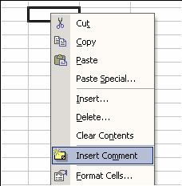
100%

1. Hover the mouse pointer over the red triangle in
the cell above to see the associated comment.
2. Enter a value in an empty cell*. With that cell
selected, choose Insert, Comment from
Excel's menus. -Or-right click the cell and
choose Insert Comment from the pop-up menu
that displays.
3. Enter your comment in the text box provided.
* You can also add a comment to an empty cell.

Formatting
Return to Contents
 |  |  |  |  |  | Return to List of Topics sheet
Practice: Formatting

Exercise 6-Merge and Center

1. Select range B6:G6.
2. From Excel's formatting toolbar
click the "Merge and Center"
tool.
Tensile Strength of Cement*
1 | 13 | 13.3 | 11.8
2 | 21.9 | 24.5 | 24.7
3 | 29.8 | 28 | 24.1 | 24.2 | 26.2
7 | 32.4 | 30.4 | 34.5 | 33.1 | 35.7
28 | 41.8 | 42.6 | 40.3 | 35.7 | 37.3

* From http://www.stat.ncsu.edu/sas/sicl/data

Exercise 7-Apply Formatting
Select each of the five cells in turn in the range B18 to B22. Format the cell by clicking the appropriate formatting tool button from the Formatting toolbar.
100 | Currency
100 | Percentage
1000000 | Thousands comma separator
100.00 | Increase decimals
100.00 | Decrease decimals

Select the range of colored cells at left and use a border tool on the formatting toolbar to add a thick border around the outside. Your bordered range should look like this:
Exercise 8-Apply Borders
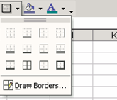

Exercise 9-Create a Text Box
Click the Text Box tool on the Drawing toolbar. Drag a rectangular shape at left, and enter text into the box. To add special formatting, right-click an edge of the text box and choose "Format Text Box".

Exercise 10-Use the Format Painter
Use the Format Painter button on Excel's Standard Toolbar to quickly format the range B63:C66 in the same way as the range formatted at left.
 | Sales
January | $5,400.00
February | $3,152.00
March | $6,582.00

 | Sales
January | $5,400.00
February | $3,152.00
March | $6,582.00

Basic Editing
Return to Contents
 |  |  | Return to List of Topics sheet
Practice: Basic Editing

Exercise 11-Edit Fill
1. Select range B7:B8 at left.
2. Position the pointer on the "fill box",
the small black square in the lower
right corner of the selected range.
3. Drag the fill box down so Excel
continues the sequence of numbers.
Do the same for C7:C8 and D7:D8.
5 | March | Qtr 1
10 | April | Qtr 2

1. Select Cell B25 at left.
2. Position the pointer on the "fill box",
the small black square in the lower
right corner of the selected range.
3. Drag down several rows. Excel will fill
the cells with months of the year.
Follow the same process for Cell C25.
Exercise 12-Use Excel Custom Lists

January | Sunday

Method 1
1. Make D47 the current cell.
2. In the formula bar, drag over the formula,
and hit CTRL+C (Edit, Copy), then hit the
escape key.
3. Click in cell B49 and hit CTRL+V (Edit,
Paste). The same result (6) should
display. Excel does not adjust the cell
references in the formula.
Method 2
1. Again make D47 the current cell and
click CTRL+C.
2. Click in Cell B51 and hit CTRL+V. A
different result (0) should display. Excel
adjusts the cell references in the
copied formula.
Exercise 13-Copy & Paste a Formula

 | Referenced value: | 6%
 | Another referenced value: | 100
 | Formula: | 6

Exercise 14-Edit Copy & Edit Paste Special to Convert Formulas to Values
1. Click each of the cells B65 to B69 at left
and see in the formula bar that each is a
formula.
2. Select the range B65:B69.
3. From the menus choose Edit, Copy.
4. Click Cell D65 and choose Edit, Paste
Special.
5. In the "Paste Special" dialog, toggle on
the "Values" option and click OK.
The numbers in the range D65:D69 should
appear the same as the numbers in the
range B65:B69. However, click each
value in the D column and see in the
formula bar that each has been
transformed from a formula to a constant.
Formulas |  | Values
46
54
143
100
14

Exercise 15-Edit Copy & Edit Paste Special to Transpose Data
1. Highlight the range B85:D87 at left.
2. From Excel's menus choose Edit, Copy.
3. Click Cell B90.
4. From Excel's menus choose Edit, Paste
Special to open the "Paste Special"
dialog.
5. Click the "Transpose" option near the
bottom of the dialog; then click OK.
Excel converts columns to rows.
Data in Rows
January | 55 | 35
February | 23 | 29
March | 12 | 18

Transposed Data

Formulas
Return to Contents
 |  |  |  | Return to List of Topics sheet
Practice: Formulas

Exercise 16-Copying a Formula Using a Relative Reference
1. Check to see that the cell C11 at left
holds the SUM formula =SUM(C8:C10).
2. Make cell C11 the current cell.
3. Position the mouse pointer on the filled
black square at the lower right-hand
corner of cell C11 and drag the pointer
across to cell E11. The result should look
like this:
4. Examine the copied formulas in cells
D11 and E11. Excel has adjusted the
cell references so they refer to the
correct values in their columns. That is,
=SUM(C8:C10) becomes =SUM(D8:D10)
and =SUM(E8:E10).
 | Quarter 1 | Quarter 2 | Quarter 3
March | $500 | $250 | $35
April | $300 | $120 | $45
May | $100 | $95 | $55
Total: | $900.00

Exercise 17-Copying a Formula Using an Absolute Reference

1. Check to see that the cell C35 at left
holds the formula =SUM(C32:C34)*C29.
2. Make cell C35 the current cell.
3. Position the mouse pointer on the filled
black square at the lower right-hand
corner of cell C11 and drag the pointer
across to cell E35. The result should look
like this:
The formulas in Cells D35 and E35 are
incorrect as copied. Excel has used its
default relative referencing in the copied
formulas but that's not appropriate for
the reference to the tax rate in Cell C29.
4. Modify the "master formula" in Cell C35
so it looks like this:
=SUM(C32:C34)*$C$29
and then copy the modified formula
across for Quarters 2 and 3 to get the
correct results.
Check the completed example (with green background) to see another instance.
Tip-Building a Formula with Absolute Addressing
An absolute reference is indicated by the dollar signs before the row and column indicators; e.g., $C$29. An alternative to typing in the dollar signs is to
1. Position the mouse pointer on the cell reference in the formula bar.
2. Tap the F4 key until the type of reference you want is displayed.
The F4 key toggles through four options:
C29 - relative
$C$29 - absolute row and column
$C29 - absolute column, relative row
C$29 - absolute row, relative column
Tax rate: | 4%

 | Quarter 1 | Quarter 2 | Quarter 3
March | $500 | $250 | $35
April | $300 | $120 | $45
May | $100 | $95 | $55
Tax: | $36

Example
 | Quarter 1 | Quarter 2 | Quarter 3
March | $500 | $250 | $35
April | $300 | $120 | $45
May | $100 | $95 | $55
Tax: | $36 | $19 | $5

1. Write a function in each of Cells C64:C67
at left to calculate the sum, average,
minimum value, and maximum value in
the range C59:C62 (named SALES).
Your result should look like this:
2. Enter the TODAY function in Cell C69 to
return the current date. The syntax of
the function is: =TODAY()
Exercise 18-Use Built-in Functions

 | Sales
May | $235
June | $544
July | $829
August | $610

Sum:
Average:
Min:
Max:

Today's date:

Exercise 19-Using Excel Logical Functions
1. Write an IF function in Cell C82 that
compares the sales in Quarters 1 and 2
and returns the text "Q1 better than 2" or
"Q2 better than Q1". Your formula should
look like this:
=IF(C77>C78, "Q1 better than Q2",
"Q2 better than Q1.")
2. Write an IF statement in Cell C84 that
includes a nested MAX function and that
returns the text "Exceeded $600M sales
in one quarter" if any quarter meets that
criteria or "Quota not met" if not. Your
formula should look like this:
=IF(MAX(C77:C80)>600, "Exceeded
$600M sales in 1 quarter","Quota not
met")
3. Write an IF statement in Cell 86 that
compares sales in Q1 and Q2. If Q1
sales are greater, return the difference.
If Q1 sales are less, return the increase.
Your formula should look like this:
=IF(C77>C78, C77-C78, C78-C77)
 | Sales ($ millions)
Quarter 1 | 500
Quarter 2 | 350
Quarter 3 | 495
Quarter 4 | 620

Which did better?

Met $600M Q goal?

Q1 vs. Q2:

Exercise 20-Using Excel's Formula Auditing Tools
1. Turn on Excel's "Formula Auditing"
toolbar by choosing View, Toolbars,
Formula Auditing from Excel's menu.
2. Click Cell C105 and click the "Trace
Precedents" button on the toolbar to see
the values used by the C105 formula.
3. Click Cell C101 and click the "Trace
Dependents" button on the toolbar to see
the formula values that depend on the tax
rate value in C101.
4. Click the "Remove All Arrows" button on
the toolbar to remove auditing indicators.
Tax rate: | 6%

Sale: | 100
Tax: | 6
Total: | 106

Data Tables
Return to Contents
 |  |  |  |  |  |  |  | Return to List of Topics sheet
Practice: Data Tables

The model
 | Interest Rate | 5%
 | Term | 30 |  | Input values that can vary.
 | Principal | $250,000

 | Monthly Payment | ($1,342.05) |  | =PMT(interest rate/12, term * 12, principal)

Exercise 21-The One-Input Data Table

1. Complete the one-input Data Table that varies interest rate by highlighting the range B22:C29,
choosing Data, Table from Excel's menus, and entering the model interest rate cell (D6) in
the "Column" prompt. Hit OK.
2. Complete the one-input Data Tables below that vary term and principal in the same fashion.

Vary Interest Input |  |  | Vary Term Input |  |  | Vary Principal Input
Interest | ($1,342.05) |  | Term | ($1,342.05) |  | Principal | ($1,342.05)
3.5% |  |  | 5 |  |  | $100,000
4.0% |  |  | 10 |  |  | $150,000
4.5% |  |  | 15 |  |  | $200,000
5.0% |  |  | 20 |  |  | $250,000
5.5% |  |  | 25 |  |  | $300,000
6.0% |  |  | 30 |  |  | $350,000
6.5% |  |  | 35 |  |  | $400,000

Exercise 22-The Two-Input Data Table

Complete the two-input Data Table that varies both interest rate and term by highlighting the range B43:H50, choosing Data, Table from Excel's menus, entering the model interest rate cell (D6) in the "Column" prompt, and entering the model term (D7) in the "Row" prompt. Hit OK to complete execution.

($1,342.05) | 5 | 10 | 15 | 20 | 25 | 30
3.5%
4.0%
4.5%
5.0%
5.5%
6.0%
6.5%

Charting
Return to Contents
 |  |  |  |  | Return to List of Topics sheet
Practice: Charting

Exercise 23-Generate a Quick Chart

1. Select the range B7:C10 at left.
2. Hit the F11 key.
Excel generates a default column chart on a new worksheet it adds to the workbook. Your column chart should look like this:
 | Sales
Quarter 1 | $500
Quarter 2 | $550
Quarter 3 | $650

Exercise 24-Use the Chart Wizard to Create a Chart

1. Select the range B24:E27 at left.
2. Click the Chart Wizard button on Excel's
Standard toolbar and walk through the
four Wizard steps. Generate a bar chart
that looks something like the one
below.
 | March | April | May
Marketing | $350 | $400 | $325
Overhead | $100 | $100 | $110
R&D | $500 | $550 | $525

Expenses March-May

Exercise 25-Create a Scatter Plot (XY Chart)

X | 5000 | 10000 | 15000 | 20000
Y | 200000 | 400000 | 600000 | 800000
1. Select the range B46:F47above.
2. Click the Chart Wizard button on Excel's
Standard toolbar and start the Chart
Wizard. Choose the "XY (Scatter)" chart
type.
3. Complete the Chart Wizard steps. Your
scatter plot should look something like the
one below.

XY Scatter Plot

Charts Exercises 1
Exercise 1: Change the formatting in Graph A to look the same as Graph B (three examples) |  |  |  |  |  | Return to List of Topics sheet

 | Graph A |  |  |  | Graph B
Receivers' Total Yards
 | Player | Catches | Yards | Yards Per Catches
 | Santana Moss | 67 | 950 | 14.18
 | David Patten | 68 | 853 | 12.54
 | Darnerien McCants | 28 | 355 | 12.68
 | James Thrash | 21 | 256 | 12.19
 | Taylor Jacobs | 26 | 275 | 10.58
 | Kevin Dyson | 14 | 158 | 11.29
 | Jimmy Farris | 2 | 25 | 12.50
 | Chris Cooley | 45 | 408 | 9.07
 | Robert Royal | 8 | 83 | 10.38
 | Jabari Holloway | 5 | 52 | 10.40
 | Mike Sellers | 2 | 29 | 14.50
 | Billy Baber | 2 | 21 | 10.50

 | Graph A |  |  |  | Graph B
Receivers' Yards Per Catches

 | Graph A |  |  |  | Graph B
Receiver's Total Catches

Charts Exercises 2
Charts: exercise |  |  |  | Return to List of Topics sheet
Microsoft Excel has notoriously bad defaults for its charts.
Exercise: Change the formatting of the chart on the right to reduce the chart junk. Answers below.

A Microsoft Excel default chart
De-chart junked chart

 | 0.44786833729 | 0.79028022332 | 0.97422612755
 | 0.80027867906 | 0.73481035275 | 0.35344568078
 | 0.32505403891 | 0.54039469105 | 0.41589725681
 | 0.96873374031 | 0.064175234892 | 0.48774161183
 | 0.13735772204 | 0.2363339384 | 0.895357474
 | 0.031745844196 | 0.86236081876 | 0.64615334172
 | 0.41935554016 | 0.31323799271 | 0.01848963108
 | 0.35919043947 | 0.54936436679 | 0.23691872658
 | 0.92470941403 | 0.83758812845 | 0.50176231767
 | 0.11715092306 | 0.71961913254 | 0.018551751708
 | 0.39025912961 | 0.29774095058 | 0.61784522524
 | 0.14892715183 | 0.082117555908 | 0.65436236963
 | 0.73607975154 | 0.3678313318 | 0.44880883677

 | Visit this site for more examples of fixing charts: http://www.perceptualedge.com/examples.htm#

Ideas for cleaning this chart:
* Eliminate 3-D (Chart -- Chart Type -- Select 2-D column chart)
* Eliminate the table at the bottom of the chart (Right click on table -- Clear)
* Eliminate gray background and border (Double click on chart background, select None under Area and None under Border)
* Eliminate vertical gridlines. (Right click on a vertical gridline and select Clear)
* Optional: Eliminate borders around the columns. (Double click on column and select None under Border)

Charts Exercises 3
Exercise 3: Secondary Axis |  |  | Return to List of Topics sheet

It is often userful to show two related data series in a single chart. If the series have very different scales
you will want to add a second axis. Here's how you do it:
1. On Chart Menu, select Source Data
2. Change the data range to include the second metric
3. You will see that the second series doesn't fit well given the scale on the y-axis
4. Right click on the second series and choose Format Data Series
5. Under the Axis tab, select Secondary axis. The new axis will be auto-scaled for the second data series

Amount over Time

year | amount | second metric
1997 | 23564 | 25
1998 | 27948 | 25
1999 | 31500 | 50
2000 | 33021 | 50
2001 | 35093 | 70
2002 | 36927 | 80
2003 | 37321 | 75
2004 | 41002 | 65
2005 | 43982 | 60
2006 | 47283 | 55

Amount over Time

Charts Exercises 4
Exercise 4: Mixed Chart Types |  |  |  | Return to List of Topics sheet

You have more flexibility with Excel charts than you may know. Excel gives you the ability to mix certain chart types. You may have seen some of these
under the customer chart types in the Chart Type dialogue box.
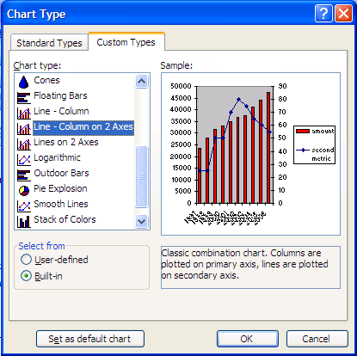

Fortunately, you don't need to depend entirely on these
pre-defined custom types.

Making Mixed Charts is as easy as selecting one of the data ranges
in your chart, right clicking, and selecting Chart Type

The Chart Type that you select will only apply the the range
you selected

Practice with the chart below to discover the different combinations
that are possible

 |  | 1 | 2
 | 1 | 0.33981485061 | 0.048910634108
 | 2 | 0.058518081266 | 0.5089830262
 | 3 | 0.53878320464 | 0.99638243292
 | 4 | 0.68359910853 | 0.99643953697
 | 5 | 0.81578482061 | 0.10767847209
 | 6 | 0.8870710247 | 0.22941843811
 | 7 | 0.21221962405 | 0.69858305451
 | 8 | 0.64925505533 | 0.036419429522
 | 9 | 0.31325082716 | 0.51914137331
 | 10 | 0.38983406417 | 0.15574540088

